Step 1.6
Vo vs. Time Characteristics
Time | v(vo)
Seconds | Volts
0 | 0.15285422426
0.00000025 | 0.1528585464
0.0000005 | 0.1528618318
0.000001 | 0.15286803702
0.000002 | 0.15288066695
0.000004 | 0.15290574043
0.000008 | 0.15295601758
0.000016 | 0.15305620739
0.000032 | 0.15325493608
0.000057 | 0.15355649928
0.000082 | 0.15384085154
0.000107 | 0.15410082844
0.000132 | 0.15433018937
0.000157 | 0.15452313166
0.000182 | 0.15467505187
0.000207 | 0.15478206506
0.000232 | 0.15484168311
0.000257 | 0.15485229016
0.000282 | 0.15481376701
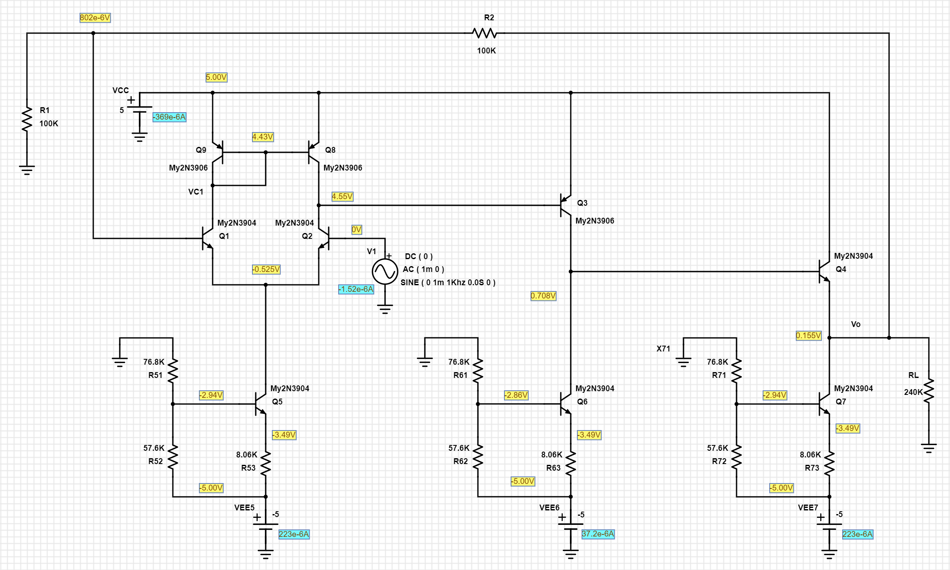
0.000307 | 0.15472692406
0.000332 | 0.15459403697
0.000357 | 0.15441824447
0.000382 | 0.15420400552
0.000407 | 0.15395646758
0.000432 | 0.15368185028
0.000457 | 0.15338679651
0.000482 | 0.1530786831
0.000507 | 0.15276498747
0.000532 | 0.15245354461
0.000557 | 0.15215191145
0.000582 | 0.15186762654
0.000607 | 0.15160758446
0.000632 | 0.15137828662
0.000657 | 0.15118528432
0.000682 | 0.15103342505
0.000707 | 0.15092634972
0.000732 | 0.15086679291
0.000757 | 0.1508561285
0.000782 | 0.15089470747
0.000807 | 0.15098149328
0.000832 | 0.15111443345
0.000857 | 0.15129017382
0.000882 | 0.1515044627
0.000907 | 0.15175195262
0.000932 | 0.15202661526
0.000957 | 0.15232162762
0.000982 | 0.15262978751
0.001007 | 0.15294343783
0.001032 | 0.15325492246
0.001057 | 0.15355651519
0.001082 | 0.15384084016
0.001107 | 0.15410084203
0.001132 | 0.15433017737
0.001157 | 0.15452314265
0.001182 | 0.15467503883
0.001207 | 0.154782081
0.001232 | 0.15484166747
0.001257 | 0.15485230258
0.001282 | 0.15481375129
0.001307 | 0.15472694063
0.001332 | 0.15459402477
0.001357 | 0.15441826107
0.001382 | 0.15420399235
0.001407 | 0.15395648417
0.001432 | 0.15368183539
0.001457 | 0.15338680901
0.001482 | 0.15307866649
0.001507 | 0.15276500016
0.001532 | 0.15245352874
0.001557 | 0.15215192436
0.001582 | 0.15186761204
0.001607 | 0.15160759818
0.001632 | 0.15137827234
0.001657 | 0.1511852997
0.001682 | 0.15103340734
0.001707 | 0.15092636264
0.001732 | 0.15086677916
0.001757 | 0.15085614123
0.001782 | 0.15089469008
0.001807 | 0.15098151071
0.001832 | 0.15111441821
0.001857 | 0.15129018734
0.001882 | 0.15150445129
0.001907 | 0.15175196873
0.001932 | 0.15202660023
0.001957 | 0.15232164096
0.001982 | 0.15262977115
0.002007 | 0.15294345173
0.002032 | 0.15325491031
0.002057 | 0.15355652641
0.002082 | 0.15384082264
0.002107 | 0.15410085933
0.002132 | 0.15433016052
0.002157 | 0.15452315844
0.002182 | 0.15467502448
0.002207 | 0.15478209577
0.002232 | 0.15484165197
0.002257 | 0.15485231661
0.002282 | 0.15481373676
0.002307 | 0.1547269537
0.002332 | 0.15459401006
0.002357 | 0.15441827446
0.002382 | 0.15420397522
0.002407 | 0.15395649628
0.002432 | 0.15368182256
0.002457 | 0.15338682448
0.002482 | 0.15307865391
0.002507 | 0.15276501703
0.002532 | 0.15245351613
0.002557 | 0.15215194068
0.002582 | 0.15186759572
0.002607 | 0.15160761396
0.002632 | 0.15137825961
0.002657 | 0.15118531091
0.002682 | 0.15103339537
0.002707 | 0.15092637827
0.002732 | 0.15086676408
0.002757 | 0.15085615586
0.002782 | 0.15089468006
0.002807 | 0.1509815217
0.002832 | 0.15111440421
0.002857 | 0.1512902018
0.002882 | 0.151504435
0.002907 | 0.15175198026
0.002932 | 0.15202658798
0.002957 | 0.1523216579
0.002982 | 0.152629758
0.003007 | 0.15294346555
0.003032 | 0.15325489452
0.003057 | 0.15355654169
0.003082 | 0.15384080857
0.003107 | 0.15410086957
0.003132 | 0.15433014789
0.003157 | 0.15452317437
0.003182 | 0.15467500917
0.003207 | 0.15478211113
0.003232 | 0.15484164115
0.003257 | 0.15485233113
0.003282 | 0.15481372312
0.003307 | 0.15472696672
0.003332 | 0.15459399504
0.003357 | 0.15441828844
0.003382 | 0.15420396386
0.003407 | 0.15395650756
0.003432 | 0.15368180978
0.003457 | 0.15338683418
0.003482 | 0.15307863993
0.003507 | 0.15276502701
0.003532 | 0.15245350162
0.003557 | 0.15215195383
0.003582 | 0.15186758489
0.003607 | 0.15160762703
0.003632 | 0.15137824223
0.003657 | 0.15118532607
0.003682 | 0.1510333832
0.003707 | 0.15092639247
0.003732 | 0.15086675119
0.003757 | 0.15085617105
0.003782 | 0.1508946629
0.003807 | 0.15098153505
0.003832 | 0.1511143875
0.003857 | 0.1512902153
0.003882 | 0.15150442025
0.003907 | 0.15175199584
0.003932 | 0.15202657554
0.003957 | 0.15232167013
0.003982 | 0.15262974203
0.004007 | 0.15294348037
0.004032 | 0.15325488121
0.004057 | 0.15355655723
0.004082 | 0.15384079723
0.004107 | 0.15410088595
0.004132 | 0.15433013158
0.004157 | 0.15452318628
0.004182 | 0.15467499922
0.004207 | 0.15478212035
0.004232 | 0.15484162624
0.004257 | 0.1548523462
0.004282 | 0.15481370958
0.004307 | 0.15472698099
0.004332 | 0.15459398367
0.004357 | 0.15441829822
0.004382 | 0.15420395085
0.004407 | 0.15395652351
0.004432 | 0.15368179446
0.004457 | 0.1533868502
0.004482 | 0.15307862387
0.004507 | 0.15276504274
0.004532 | 0.15245348804
0.004557 | 0.15215196547
0.004582 | 0.15186757203
0.004607 | 0.15160763933
0.004632 | 0.15137823414
0.004657 | 0.15118533642
0.004682 | 0.15103336819
0.004707 | 0.15092640426
0.004732 | 0.150866738
0.004757 | 0.15085618321
0.004782 | 0.15089465157
0.004807 | 0.1509815492
0.004832 | 0.15111437723
0.004857 | 0.15129022591
0.004882 | 0.15150440859
0.004907 | 0.15175200743
0.004932 | 0.15202656193
0.004957 | 0.1523216843
0.004982 | 0.15262972933
0.005007 | 0.15294348995
0.005032 | 0.15325487164
0.005057 | 0.15355656639
0.005082 | 0.15384078506
0.005107 | 0.15410089691
0.005132 | 0.15433012292
0.005157 | 0.15452319758
0.005182 | 0.15467498654
0.005207 | 0.154782132
0.005232 | 0.15484161448
0.005257 | 0.15485235459
0.005282 | 0.15481370168
0.005307 | 0.15472699051
0.005332 | 0.15459397277
0.005357 | 0.15441830961
0.005382 | 0.1542039375
0.005407 | 0.15395653243
0.005432 | 0.1536817838
0.005457 | 0.15338685984
0.005482 | 0.15307861827
0.005507 | 0.15276505179
0.005532 | 0.15245347583
0.005557 | 0.15215197832
0.005582 | 0.15186756045
0.005607 | 0.15160764819
0.005632 | 0.1513782207
0.005657 | 0.15118534922
0.005682 | 0.15103336015
0.005707 | 0.15092641562
0.005732 | 0.15086672884
0.005757 | 0.15085619344
0.005782 | 0.15089464202
0.005807 | 0.15098155799
0.005832 | 0.1511143662
0.005857 | 0.15129023736
0.005882 | 0.15150439682
0.005907 | 0.15175201555
0.005932 | 0.15202655295
0.005957 | 0.152321695
0.005982 | 0.15262972119
0.006 | 0.15285556129

Step 1.11
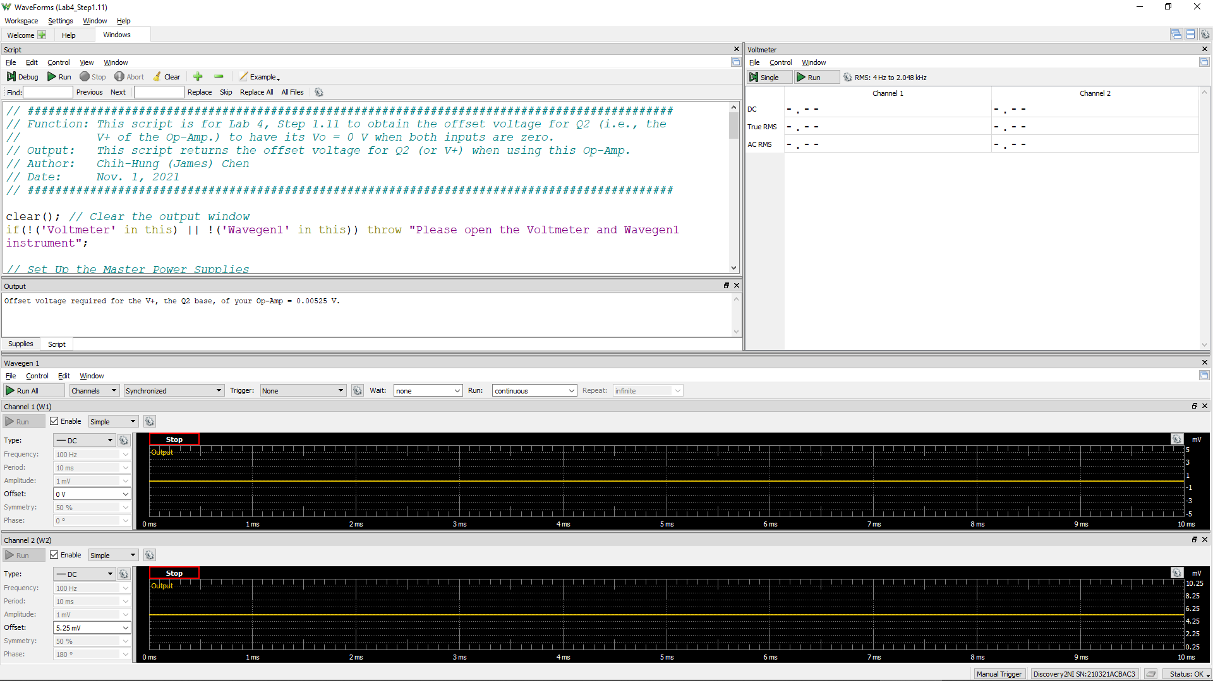
Offset Voltage for Q2
Volt
2.43E-03

Step 1.13
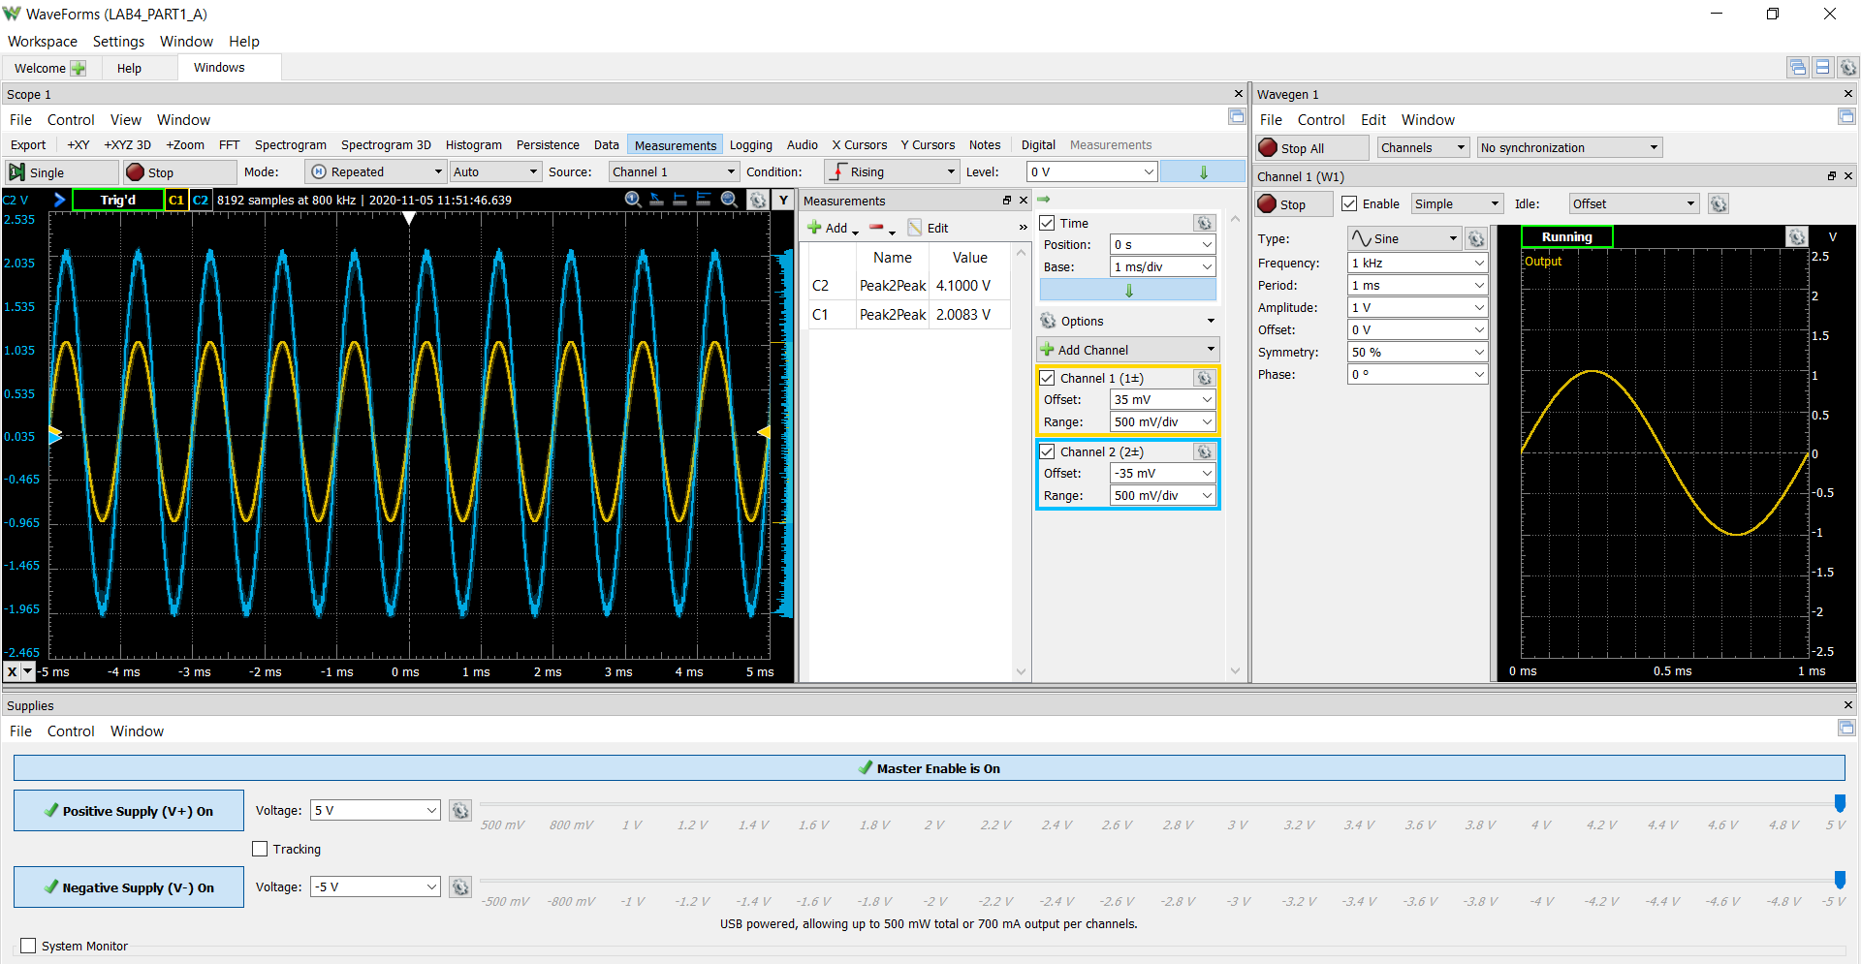
Time (s) | Channel 1 (V) | Channel 2 (V)
-0.00258048 | 0.479093447 | 1.818059414
-0.00257985 | 0.477561419 | 1.796596175
-0.00257922 | 0.474445596 | 1.768876212
-0.00257859 | 0.470376474 | 1.777068426
-0.00257796 | 0.466511434 | 1.774897023
-0.00257733 | 0.464002174 | 1.736774684
-0.0025767 | 0.461338334 | 1.698249777
-0.00257607 | 0.457648829 | 1.660256628
-0.00257544 | 0.4539105 | 1.622024092
-0.00257481 | 0.451023795 | 1.583297591
-0.00257418 | 0.447809909 | 1.544845841
-0.00257355 | 0.443836306 | 1.507006627
-0.00257292 | 0.440577565 | 1.491298076
-0.00257229 | 0.436668833 | 1.597725197
-0.00257166 | 0.432487885 | 1.652221414
-0.00257103 | 0.428438386 | 1.634929657
-0.0025704 | 0.425252069 | 1.597350158
-0.00256977 | 0.422259447 | 1.558121662
-0.00256914 | 0.418720917 | 1.528705141
-0.00256851 | 0.414499576 | 1.583449105
-0.00256788 | 0.409750874 | 1.691412195
-0.00256725 | 0.404334363 | 1.841892895
-0.00256662 | 0.400323556 | 1.876548195
-0.00256599 | 0.396279951 | 1.97553521
-0.00256536 | 0.393133628 | 1.949332317
-0.00256473 | 0.389507004 | 1.909581739
-0.0025641 | 0.385532691 | 1.929301681
-0.00256347 | 0.381561411 | 1.984866927
-0.00256284 | 0.37743593 | 2.054579091
-0.00256221 | 0.373986396 | 2.037035377
-0.00256158 | 0.37025562 | 1.998816382
-0.00256095 | 0.366955764 | 1.959899992
Vo vs Time characteristics
 | 0.479093447 | 1.818059414
 | 0.477561419 | 1.796596175
 | 0.474445596 | 1.768876212
 | 0.470376474 | 1.777068426
 | 0.466511434 | 1.774897023
 | 0.464002174 | 1.736774684
 | 0.461338334 | 1.698249777
 | 0.457648829 | 1.660256628
 | 0.4539105 | 1.622024092
 | 0.451023795 | 1.583297591
 | 0.447809909 | 1.544845841
 | 0.443836306 | 1.507006627
 | 0.440577565 | 1.491298076
 | 0.436668833 | 1.597725197
 | 0.432487885 | 1.652221414
 | 0.428438386 | 1.634929657
 | 0.425252069 | 1.597350158
 | 0.422259447 | 1.558121662
 | 0.418720917 | 1.528705141
 | 0.414499576 | 1.583449105
 | 0.409750874 | 1.691412195
 | 0.404334363 | 1.841892895
 | 0.400323556 | 1.876548195
 | 0.396279951 | 1.97553521
 | 0.393133628 | 1.949332317
 | 0.389507004 | 1.909581739
 | 0.385532691 | 1.929301681
 | 0.381561411 | 1.984866927
 | 0.37743593 | 2.054579091
 | 0.373986396 | 2.037035377
 | 0.37025562 | 1.998816382
 | 0.366955764 | 1.959899992
 | 0.363949496 | 1.920860946
 | 0.360599091 | 1.882343448
 | 0.356619554 | 1.844166457
 | 0.353534176 | 1.805416557
 | 0.350735183 | 1.766846848
 | 0.347051265 | 1.728865716
 | 0.343068017 | 1.690785747
 | 0.340073098 | 1.652057613
 | 0.336943658 | 1.613729583
 | 0.332657802 | 1.575694488
 | 0.328936252 | 1.55331727
 | 0.325791145 | 1.561769026
 | 0.32232424 | 1.557315091
 | 0.318140627 | 1.52899515
 | 0.313708488 | 1.600702104
 | 0.309889397 | 1.629881764
 | 0.306373085 | 1.59481082
 | 0.302631163 | 1.556262402
...
-0.00256032 | 0.363949496 | 1.920860946
-0.00255969 | 0.360599091 | 1.882343448
-0.00255906 | 0.356619554 | 1.844166457
-0.00255843 | 0.353534176 | 1.805416557
-0.0025578 | 0.350735183 | 1.766846848
-0.00255717 | 0.347051265 | 1.728865716
-0.00255654 | 0.343068017 | 1.690785747
-0.00255591 | 0.340073098 | 1.652057613
-0.00255528 | 0.336943658 | 1.613729583
-0.00255465 | 0.332657802 | 1.575694488
-0.00255402 | 0.328936252 | 1.55331727
-0.00255339 | 0.325791145 | 1.561769026
-0.00255276 | 0.32232424 | 1.557315091
-0.00255213 | 0.318140627 | 1.52899515
-0.0025515 | 0.313708488 | 1.600702104
-0.00255087 | 0.309889397 | 1.629881764
-0.00255024 | 0.306373085 | 1.59481082
-0.00254961 | 0.302631163 | 1.556262402
-0.00254898 | 0.299102953 | 1.517740396
-0.00254835 | 0.295304338 | 1.479513096
-0.00254772 | 0.291727263 | 1.440982259
-0.00254709 | 0.28864321 | 1.400880444
-0.00254646 | 0.284973859 | 1.428790209
-0.00254583 | 0.281055535 | 1.419150753
-0.0025452 | 0.277276993 | 1.390903325
-0.00254457 | 0.273503654 | 1.395198027
-0.00254394 | 0.269334774 | 1.445118026
-0.00254331 | 0.265467446 | 1.454286062
-0.00254268 | 0.261366709 | 1.41859934
-0.00254205 | 0.257507414 | 1.38009963
-0.00254142 | 0.25418594 | 1.341030933
-0.00254079 | 0.250495013 | 1.335858384
-0.00254016 | 0.246112406 | 1.345708714
-0.00253953 | 0.242493529 | 1.321763605
-0.0025389 | 0.239727454 | 1.283260176
-0.00253827 | 0.236267268 | 1.245233984
-0.00253764 | 0.231913703 | 1.207433268
-0.00253701 | 0.228422461 | 1.169031414
-0.00253638 | 0.225371256 | 1.130655749
-0.00253575 | 0.221412543 | 1.092810625
-0.00253512 | 0.217209089 | 1.055796241
-0.00253449 | 0.213859342 | 1.05458153
-0.00253386 | 0.209089304 | 1.178571648
-0.00253323 | 0.204083674 | 1.224648517
-0.0025326 | 0.200178066 | 1.188517481
-0.00253197 | 0.197065124 | 1.149699445
-0.00253134 | 0.193724056 | 1.110880225
-0.00253071 | 0.190025383 | 1.071207362
-0.00253008 | 0.185702004 | 1.098827339
-0.00252945 | 0.180480379 | 1.223990685
-0.00252882 | 0.174748395 | 1.399909836
-0.00252819 | 0.170697342 | 1.41871506
-0.00252756 | 0.166869991 | 1.449109256
-0.00252693 | 0.162778996 | 1.448884452
-0.0025263 | 0.158491924 | 1.456427749
-0.00252567 | 0.154464101 | 1.469360525
-0.00252504 | 0.150624642 | 1.503116713
-0.00252441 | 0.146319285 | 1.572024111
-0.00252378 | 0.142171659 | 1.58534314
-0.00252315 | 0.138074703 | 1.551650184
-0.00252252 | 0.134489186 | 1.512656591
-0.00252189 | 0.131130119 | 1.473968514
-0.00252126 | 0.127247227 | 1.435729125
-0.00252063 | 0.123365613 | 1.397417583
-0.00252 | 0.12048127 | 1.358665765
-0.00251937 | 0.117125815 | 1.320369122
-0.00251874 | 0.112680397 | 1.282762536
-0.00251811 | 0.108890438 | 1.244635061
-0.00251748 | 0.105696137 | 1.206136947
-0.00251685 | 0.101997399 | 1.16829509
-0.00251622 | 0.097702021 | 1.130684538
-0.00251559 | 0.094567259 | 1.092195962
-0.00251496 | 0.091566823 | 1.053777594
-0.00251433 | 0.087471105 | 1.021087371
-0.0025137 | 0.082853749 | 1.02479795
-0.00251307 | 0.078904843 | 1.050347088
-0.00251244 | 0.074786451 | 1.079456704
-0.00251181 | 0.070590186 | 1.093798726
-0.00251118 | 0.066404117 | 1.100105166
-0.00251055 | 0.062706844 | 1.070032956
-0.00250992 | 0.058607677 | 1.032054247
-0.00250929 | 0.055022835 | 0.993832821
-0.00250866 | 0.051928376 | 0.955370238
-0.00250803 | 0.04828273 | 0.916660464
-0.0025074 | 0.043757335 | 0.929073794
-0.00250677 | 0.039527442 | 0.928494136
-0.00250614 | 0.036047615 | 0.899181862
-0.00250551 | 0.032294934 | 0.902345843
-0.00250488 | 0.027796477 | 0.944478594
-0.00250425 | 0.022862554 | 0.972512925
-0.00250362 | 0.019133579 | 0.937203928
-0.00250299 | 0.015734237 | 0.898771095
-0.00250236 | 0.012019043 | 0.860663378
-0.00250173 | 0.007722106 | 0.839253282
-0.0025011 | 0.004261076 | 0.848218359
-0.00250047 | 0.000823826 | 0.840665108
-0.00249984 | -0.003292974 | 0.8031002
-0.00249921 | -0.007593971 | 0.765462152
-0.00249858 | -0.010725543 | 0.727341522
-0.00249795 | -0.014509044 | 0.689715403
-0.00249732 | -0.018961471 | 0.652463679
-0.00249669 | -0.02261319 | 0.61448558
-0.00249606 | -0.025425514 | 0.576032982
-0.00249543 | -0.029273338 | 0.539953734
-0.0024948 | -0.034015766 | 0.559485547
-0.00249417 | -0.038841562 | 0.649745719
-0.00249354 | -0.042717371 | 0.681219451
-0.00249291 | -0.046532567 | 0.671853604
-0.00249228 | -0.050284271 | 0.633751901
-0.00249165 | -0.05405555 | 0.595198522
-0.00249102 | -0.05811892 | 0.557626355
-0.00249039 | -0.06258899 | 0.57842274
-0.00248976 | -0.068208803 | 0.774211272
-0.00248913 | -0.073083425 | 0.889644653
-0.0024885 | -0.077373776 | 0.899423146
-0.00248787 | -0.082449075 | 1.014715476
-0.00248724 | -0.086204846 | 0.988972779
-0.00248661 | -0.089491545 | 0.950683694
-0.00248598 | -0.093758927 | 1.006107526
-0.00248535 | -0.098430987 | 1.047321566
-0.00248472 | -0.103018955 | 1.103041541
-0.00248409 | -0.106421655 | 1.079814554
-0.00248346 | -0.110088495 | 1.041466919
-0.00248283 | -0.114357829 | 1.003342843
-0.0024822 | -0.117512944 | 0.964704357
-0.00248157 | -0.12036291 | 0.926295608
-0.00248094 | -0.124204974 | 0.888675299
-0.00248031 | -0.128587001 | 0.851177717
-0.00247968 | -0.13187696 | 0.813098007
-0.00247905 | -0.13520111 | 0.775371306
-0.00247842 | -0.139485154 | 0.738206559
-0.00247779 | -0.143386629 | 0.700589564
-0.00247716 | -0.146029205 | 0.662448588
-0.00247653 | -0.149542135 | 0.624927054
-0.0024759 | -0.153867883 | 0.587567354
-0.00247527 | -0.157910525 | 0.572507837
-0.00247464 | -0.161695474 | 0.583907865
-0.00247401 | -0.165500387 | 0.571464384
-0.00247338 | -0.169379316 | 0.557922767
-0.00247275 | -0.173531666 | 0.583114007
-0.00247212 | -0.177625664 | 0.585571273
-0.00247149 | -0.18193435 | 0.594078761
-0.00247086 | -0.185389361 | 0.572473459
-0.00247023 | -0.18864078 | 0.534536886
-0.0024696 | -0.192489174 | 0.497000722
-0.00246897 | -0.196346353 | 0.459207259
-0.00246834 | -0.200085171 | 0.422232569
-0.00246771 | -0.20408212 | 0.453414465
-0.00246708 | -0.20771487 | 0.441449745
-0.00246645 | -0.211639495 | 0.404107636
-0.00246582 | -0.21549601 | 0.366277035
-0.00246519 | -0.219039736 | 0.351895295
-0.00246456 | -0.223674148 | 0.434952108
-0.00246393 | -0.228140556 | 0.446986687
-0.0024633 | -0.231591943 | 0.408594574
-0.00246267 | -0.234438574 | 0.370008374
-0.00246204 | -0.238370504 | 0.366325418
-0.00246141 | -0.243197924 | 0.37715884
-0.00246078 | -0.246900027 | 0.35309695
-0.00246015 | -0.249863279 | 0.315410781
-0.00245952 | -0.253845292 | 0.278326665
-0.00245889 | -0.258113009 | 0.241191449
-0.00245826 | -0.260900334 | 0.203389927
-0.00245763 | -0.263890399 | 0.166014493
-0.002457 | -0.268000921 | 0.129275476
-0.00245637 | -0.271921069 | 0.092983524
-0.00245574 | -0.275431811 | 0.083317705
-0.00245511 | -0.279494963 | 0.126218096
-0.00245448 | -0.283847904 | 0.164030603
-0.00245385 | -0.287545046 | 0.136658178
-0.00245322 | -0.291696197 | 0.144471142
-0.00245259 | -0.29589031 | 0.153883946
-0.00245196 | -0.299413659 | 0.115949413
-0.00245133 | -0.302561649 | 0.07732796
-0.0024507 | -0.306431108 | 0.090906939
-0.00245007 | -0.312156476 | 0.259064213
-0.00244944 | -0.317366732 | 0.410219123
-0.00244881 | -0.321027712 | 0.419716737
-0.00244818 | -0.324741079 | 0.454449771
-0.00244755 | -0.329112028 | 0.504736305
-0.00244692 | -0.333092591 | 0.479559964
-0.00244629 | -0.336507652 | 0.463500434
-0.00244566 | -0.3406626 | 0.54365525
-0.00244503 | -0.345714757 | 0.642047492
-0.0024444 | -0.349538642 | 0.618611245
-0.00244377 | -0.352047935 | 0.579977578
-0.00244314 | -0.355029759 | 0.54195686
-0.00244251 | -0.359223437 | 0.504640988
-0.00244188 | -0.362946956 | 0.466990011
-0.00244125 | -0.365734373 | 0.429036813
-0.00244062 | -0.369291126 | 0.391715863
-0.00243999 | -0.373477103 | 0.354862469
-0.00243936 | -0.376559097 | 0.317192302
-0.00243873 | -0.379098208 | 0.279709127
-0.0024381 | -0.382804463 | 0.242933073
-0.00243747 | -0.386654273 | 0.206034493
-0.00243684 | -0.389702229 | 0.168669876
-0.00243621 | -0.392646579 | 0.131442799
-0.00243558 | -0.395990487 | 0.09431804
-0.00243495 | -0.399519449 | 0.057848783
-0.00243432 | -0.403363322 | 0.062577498
-0.00243369 | -0.407499071 | 0.079881705
-0.00243306 | -0.411398233 | 0.091561878
-0.00243243 | -0.414934505 | 0.122316621
-0.0024318 | -0.418647691 | 0.13858423
-0.00243117 | -0.422539128 | 0.12326416
-0.00243054 | -0.426060873 | 0.085964071
-0.00242991 | -0.429159196 | 0.048586037
-0.00242928 | -0.432110357 | 0.011293304
-0.00242865 | -0.435276354 | -0.025934183
-0.00242802 | -0.439549744 | -0.035390814
-0.00242739 | -0.44326305 | -0.019976197
-0.00242676 | -0.446319955 | -0.041526417
-0.00242613 | -0.449762602 | -0.078454457
-0.0024255 | -0.453434819 | -0.114230036
-0.00242487 | -0.456852341 | -0.063643851
-0.00242424 | -0.459448025 | -0.097279674
-0.00242361 | -0.463598527 | -0.097678032
-0.00242298 | -0.467890523 | -0.079748974
-0.00242235 | -0.470862011 | -0.089990133
-0.00242172 | -0.474275911 | -0.079216995
-0.00242109 | -0.478429351 | -0.09118359
-0.00242046 | -0.481645154 | -0.128259633
-0.00241983 | -0.484234493 | -0.165517016
-0.0024192 | -0.487558348 | -0.202014611
-0.00241857 | -0.491411672 | -0.238274606
-0.00241794 | -0.49443135 | -0.275083219
-0.00241731 | -0.497229886 | -0.311891925
-0.00241668 | -0.50042838 | -0.34836935
-0.00241605 | -0.503905909 | -0.384254654
-0.00241542 | -0.507727815 | -0.351632864
-0.00241479 | -0.51205742 | -0.27009692
-0.00241416 | -0.515290555 | -0.303799891
-0.00241353 | -0.51808747 | -0.333609718
-0.0024129 | -0.521718664 | -0.288005844
-0.00241227 | -0.525208463 | -0.31982519
-0.00241164 | -0.528727189 | -0.356774077
-0.00241101 | -0.531699855 | -0.391454108
-0.00241038 | -0.535399254 | -0.334342139
-0.00240975 | -0.540594034 | -0.08202929
-0.00240912 | -0.544730153 | -0.040296903
-0.00240849 | -0.548140584 | -0.051562844
-0.00240786 | -0.551906249 | 0.039353153
-0.00240723 | -0.555303212 | 0.044896232
-0.0024066 | -0.558986153 | 0.011959819
-0.00240597 | -0.561825559 | -0.012759102
-0.00240534 | -0.564709555 | 0.01755888
-0.00240471 | -0.568802472 | 0.090653298
-0.00240408 | -0.573488879 | 0.153195085
-0.00240345 | -0.576083135 | 0.114129578
-0.00240282 | -0.578459609 | 0.076557751
-0.00240219 | -0.581990719 | 0.039633377
-0.00240156 | -0.585198322 | 0.002404697
-0.00240093 | -0.58714219 | -0.035211544
-0.0024003 | -0.589766763 | -0.072110062
-0.00239967 | -0.593389931 | -0.108493962
-0.00239904 | -0.596437984 | -0.145213471
-0.00239841 | -0.598799193 | -0.182128651
-0.00239778 | -0.601555002 | -0.218565916
-0.00239715 | -0.604625896 | -0.254808186
-0.00239652 | -0.607727434 | -0.291176638
-0.00239589 | -0.610765944 | -0.327513223
-0.00239526 | -0.613790653 | -0.363933582
-0.00239463 | -0.616555039 | -0.401453513
-0.002394 | -0.619244321 | -0.399748468
-0.00239337 | -0.623166165 | -0.323760615
-0.00239274 | -0.626446212 | -0.325306825
-0.00239211 | -0.629725994 | -0.310913968
-0.00239148 | -0.632781753 | -0.304109758
-0.00239085 | -0.635449116 | -0.335984793
-0.00239022 | -0.638564689 | -0.372402229
-0.00238959 | -0.641655897 | -0.408831268
-0.00238896 | -0.644045125 | -0.446170593
-0.00238833 | -0.64701758 | -0.431860713
-0.0023877 | -0.650607484 | -0.43075193
-0.00238707 | -0.653508594 | -0.460621602
-0.00238644 | -0.655750182 | -0.468258072
-0.00238581 | -0.658799255 | -0.439470622
-0.00238518 | -0.662455383 | -0.472705599
-0.00238455 | -0.665145948 | -0.496577477
-0.00238392 | -0.667853886 | -0.487802256
-0.00238329 | -0.671145787 | -0.48642891
-0.00238266 | -0.67492518 | -0.476548492
-0.00238203 | -0.677408118 | -0.46554068
-0.0023814 | -0.679435698 | -0.50104763
-0.00238077 | -0.682432097 | -0.536820225
-0.00238014 | -0.685436543 | -0.572748221
-0.00237951 | -0.687683311 | -0.609028799
-0.00237888 | -0.689986545 | -0.645072739
-0.00237825 | -0.692822087 | -0.680764051
-0.00237762 | -0.695504096 | -0.716393734
-0.00237699 | -0.698170418 | -0.752301124
-0.00237636 | -0.701242047 | -0.785205026
-0.00237573 | -0.70487175 | -0.691284573
-0.0023751 | -0.707421052 | -0.674062672
-0.00237447 | -0.709816317 | -0.696946114
-0.00237384 | -0.713282362 | -0.646929339
-0.00237321 | -0.716004205 | -0.682834578
-0.00237258 | -0.718257488 | -0.719294623
-0.00237195 | -0.720553217 | -0.756667347
-0.00237132 | -0.723729769 | -0.729396861
-0.00237069 | -0.728680985 | -0.535993097
-0.00237006 | -0.732159822 | -0.413955486
-0.00236943 | -0.734392941 | -0.427290612
-0.0023688 | -0.737785605 | -0.396426852
-0.00236817 | -0.741006629 | -0.399954181
-0.00236754 | -0.743004847 | -0.39322582
-0.00236691 | -0.745358479 | -0.382396352
-0.00236628 | -0.748314833 | -0.419553679
-0.00236565 | -0.750807722 | -0.456934251
-0.00236502 | -0.754096814 | -0.315515566
-0.00236439 | -0.757467476 | -0.245300765
-0.00236376 | -0.760476493 | -0.277811615
-0.00236313 | -0.762491108 | -0.315174628
-0.0023625 | -0.763950089 | -0.35239116
-0.00236187 | -0.766552839 | -0.388765648
-0.00236124 | -0.769367751 | -0.424852439
-0.00236061 | -0.771428685 | -0.461451043
-0.00235998 | -0.773358155 | -0.49773338
-0.00235935 | -0.775558939 | -0.533623993
-0.00235872 | -0.777908298 | -0.569521969
-0.00235809 | -0.780013646 | -0.605450038
-0.00235746 | -0.782422865 | -0.641098112
-0.00235683 | -0.784567899 | -0.676867286
-0.0023562 | -0.786351982 | -0.713021315
-0.00235557 | -0.788297574 | -0.732872973
-0.00235494 | -0.791656038 | -0.669864157
-0.00235431 | -0.794452655 | -0.64618706
-0.00235368 | -0.796639018 | -0.65753384
-0.00235305 | -0.798925601 | -0.641345597
-0.00235242 | -0.801324227 | -0.642944565
-0.00235179 | -0.803943839 | -0.679211998
-0.00235116 | -0.805969959 | -0.715416671
-0.00235053 | -0.807587564 | -0.75227532
-0.0023499 | -0.810266127 | -0.732912614
-0.00234927 | -0.813158102 | -0.734302953
-0.00234864 | -0.814914271 | -0.765340736
-0.00234801 | -0.816529784 | -0.80147402
-0.00234738 | -0.819060367 | -0.814373789
-0.00234675 | -0.822322696 | -0.778867952
-0.00234612 | -0.823688709 | -0.812482223
-0.00234549 | -0.825669028 | -0.824659615
-0.00234486 | -0.828979873 | -0.79765711
-0.00234423 | -0.831625416 | -0.763218931
-0.0023436 | -0.83282528 | -0.764759933
-0.00234297 | -0.834588011 | -0.800770197
-0.00234234 | -0.837043474 | -0.836022103
-0.00234171 | -0.839119739 | -0.871640011
-0.00234108 | -0.840710507 | -0.907343624
-0.00234045 | -0.842530781 | -0.942503843
-0.00233982 | -0.844507499 | -0.97760154
-0.00233919 | -0.846308387 | -1.012816724
-0.00233856 | -0.848333718 | -1.048061189
-0.00233793 | -0.850509122 | -1.078996185
-0.0023373 | -0.853344778 | -0.976366464
-0.00233667 | -0.855174569 | -0.96196314
-0.00233604 | -0.857188167 | -0.970158013
-0.00233541 | -0.859719921 | -0.938906748
-0.00233478 | -0.86158367 | -0.975638076
-0.00233415 | -0.863055345 | -1.01171508
-0.00233352 | -0.864484278 | -1.049360846
-0.00233289 | -0.867590456 | -0.987268681
-0.00233226 | -0.871780101 | -0.768103085
-0.00233163 | -0.874085191 | -0.694194901
-0.002331 | -0.875746051 | -0.717278655
-0.00233037 | -0.878376399 | -0.688470363
-0.00232974 | -0.880011422 | -0.697193429
-0.00232911 | -0.880913821 | -0.716130614
-0.00232848 | -0.883053247 | -0.685302677
-0.00232785 | -0.885445991 | -0.708802171
-0.00232722 | -0.887077839 | -0.717003031
-0.00232659 | -0.889536088 | -0.594609274
-0.00232596 | -0.892208697 | -0.550558281
-0.00232533 | -0.894360624 | -0.565723175
-0.0023247 | -0.895097734 | -0.602944641
-0.00232407 | -0.896201415 | -0.639230051
-0.00232344 | -0.898218753 | -0.674936239
-0.00232281 | -0.899633681 | -0.710897569
-0.00232218 | -0.90070461 | -0.746959955
-0.00232155 | -0.901946578 | -0.7825486
-0.00232092 | -0.903577552 | -0.817853051
-0.00232029 | -0.905030806 | -0.853250238
-0.00231966 | -0.906560933 | -0.888544019
-0.00231903 | -0.908112221 | -0.923698076
-0.0023184 | -0.909480857 | -0.959437175
-0.00231777 | -0.911084663 | -0.954267804
-0.00231714 | -0.913098686 | -0.910640668
-0.00231651 | -0.915143222 | -0.88905458
-0.00231588 | -0.916682745 | -0.890506475
-0.00231525 | -0.918010593 | -0.876149054
-0.00231462 | -0.919544286 | -0.883690841
-0.00231399 | -0.920969589 | -0.919500605
-0.00231336 | -0.922629317 | -0.937803209
-0.00231273 | -0.924202737 | -0.913170818
-0.0023121 | -0.925441569 | -0.929166255
-0.00231147 | -0.926987611 | -0.964451612
-0.00231084 | -0.928450757 | -0.999838666
-0.00231021 | -0.928977738 | -1.035664198
-0.00230958 | -0.930155123 | -1.058683585
-0.00230895 | -0.932737856 | -1.010854223
-0.00230832 | -0.933713719 | -1.044175667
-0.00230769 | -0.93449871 | -1.033067483
-0.00230706 | -0.936767039 | -0.963788809
-0.00230643 | -0.939030764 | -0.956659595
-0.0023058 | -0.939607838 | -0.99311369
-0.00230517 | -0.94004483 | -1.028751502
-0.00230454 | -0.94155896 | -1.063588419
-0.00230391 | -0.943056005 | -1.098537812
-0.00230328 | -0.943909774 | -1.133760795
-0.00230265 | -0.944704818 | -1.168641082
-0.00230202 | -0.945840587 | -1.20339395
-0.00230139 | -0.946917485 | -1.238501979
-0.00230076 | -0.948282941 | -1.224033594
-0.00230013 | -0.950348279 | -1.170324637
-0.0022995 | -0.951962224 | -1.144809654
-0.00229887 | -0.95295724 | -1.123746073
-0.00229824 | -0.953951981 | -1.125941171
-0.00229761 | -0.955042991 | -1.161282027
-0.00229698 | -0.95597037 | -1.197150007
-0.00229635 | -0.956893679 | -1.201994309
-0.00229572 | -0.959018717 | -1.076745978
-0.00229509 | -0.962012167 | -0.86023712
-0.00229446 | -0.963612429 | -0.862521117
-0.00229383 | -0.964594262 | -0.875813482
-0.0022932 | -0.965592674 | -0.85079501
-0.00229257 | -0.966776979 | -0.864989259
-0.00229194 | -0.968284995 | -0.841633499
-0.00229131 | -0.968689661 | -0.856619224
-0.00229068 | -0.96918084 | -0.86127996
-0.00229005 | -0.970996505 | -0.809747615
-0.00228942 | -0.972461252 | -0.785285279
-0.00228879 | -0.973091336 | -0.755094394
-0.00228816 | -0.973929107 | -0.753347206
-0.00228753 | -0.975334241 | -0.782550826
-0.0022869 | -0.975617407 | -0.818728944
-0.00228627 | -0.975287776 | -0.854820723
-0.00228564 | -0.976052941 | -0.890085586
-0.00228501 | -0.977280882 | -0.925189042
-0.00228438 | -0.977642906 | -0.96062004
-0.00228375 | -0.977677962 | -0.995933576
-0.00228312 | -0.978203548 | -1.030872325
-0.00228249 | -0.978993919 | -1.065751331
-0.00228186 | -0.97962412 | -1.100909414
-0.00228123 | -0.980492752 | -1.13667975
-0.0022806 | -0.981902889 | -1.087053714
-0.00227997 | -0.982837027 | -1.023707656
-0.00227934 | -0.98332831 | -1.003730155
-0.00227871 | -0.984383396 | -0.995252221
-0.00227808 | -0.985088639 | -1.027013512
-0.00227745 | -0.985344563 | -1.06257629
-0.00227682 | -0.985585539 | -1.070931128
-0.00227619 | -0.986165182 | -1.053093529
-0.00227556 | -0.987064855 | -1.072075731
-0.00227493 | -0.987492625 | -1.107290501
-0.0022743 | -0.987482059 | -1.142531871
-0.00227367 | -0.987845264 | -1.17738226
-0.00227304 | -0.988707651 | -1.213044937
-0.00227241 | -0.989309668 | -1.177248993
-0.00227178 | -0.989382616 | -1.155293576
-0.00227115 | -0.990655155 | -1.097343352
-0.00227052 | -0.992156289 | -1.066460693
-0.00226989 | -0.991974278 | -1.10274832
-0.00226926 | -0.991851523 | -1.137932017
-0.00226863 | -0.992795407 | -1.172548091
-0.002268 | -0.993097461 | -1.207576606
-0.00226737 | -0.992433362 | -1.242883703
-0.00226674 | -0.992350329 | -1.277405213
-0.00226611 | -0.993104295 | -1.31167687
-0.00226548 | -0.993271214 | -1.346418101
-0.00226485 | -0.99297872 | -1.355077294
-0.00226422 | -0.994475816 | -1.221881951
-0.00226359 | -0.995293766 | -1.204477811
-0.00226296 | -0.995945687 | -1.197624636
-0.00226233 | -0.996004742 | -1.232912778
-0.0022617 | -0.996124352 | -1.268634697
-0.00226107 | -0.996230466 | -1.274337579
-0.00226044 | -0.996871588 | -1.186646866
-0.00225981 | -0.999452773 | -0.950798175
-0.00225918 | -1.000049987 | -0.935006312
-0.00225855 | -1.000661055 | -0.88831273
-0.00225792 | -1.000601189 | -0.891033303
-0.00225729 | -1.000786428 | -0.850996447
-0.00225666 | -1.000935746 | -0.886885329
-0.00225603 | -1.001152081 | -0.922966978
-0.0022554 | -1.00081126 | -0.944833007
-0.00225477 | -1.001467797 | -0.849931782
-0.00225414 | -1.002108197 | -0.832986091
-0.00225351 | -1.001720146 | -0.870145047
-0.00225288 | -1.001274271 | -0.84534994
-0.00225225 | -1.001289112 | -0.847030197
-0.00225162 | -1.001872717 | -0.878164819
-0.00225099 | -1.001400822 | -0.913839689
-0.00225036 | -1.000702121 | -0.949518209
-0.00224973 | -1.00073048 | -0.984442851
-0.0022491 | -1.000803527 | -1.019338279
-0.00224847 | -0.999839122 | -1.055058352
-0.00224784 | -0.999052026 | -1.090305508
-0.00224721 | -0.999212407 | -1.125077746
-0.00224658 | -0.999414795 | -1.13831194
-0.00224595 | -0.999679937 | -1.048721674
-0.00224532 | -0.999306388 | -1.040311651
-0.00224469 | -0.999367741 | -1.035141429
-0.00224406 | -0.999341482 | -1.024701404
-0.00224343 | -0.99910341 | -1.048191674
-0.0022428 | -0.99875233 | -1.083827342
-0.00224217 | -0.998578931 | -1.068618146
-0.00224154 | -0.998114128 | -1.065387606
-0.00224091 | -0.997591555 | -1.093161577
-0.00224028 | -0.997374675 | -1.128099359
-0.00223965 | -0.996865606 | -1.163345464
-0.00223902 | -0.996415617 | -1.150226798
-0.00223839 | -0.996102047 | -1.139828034
-0.00223776 | -0.99588926 | -1.141202379
-0.00223713 | -0.996157653 | -1.122958505
-0.0022365 | -0.995950864 | -1.099719604
-0.00223587 | -0.995534338 | -1.086206217
-0.00223524 | -0.995068736 | -1.121814782
-0.00223461 | -0.994678346 | -1.156757946
-0.00223398 | -0.993278974 | -1.192337444
-0.00223335 | -0.992079349 | -1.227188019
-0.00223272 | -0.991979813 | -1.261383094
-0.00223209 | -0.991537093 | -1.296127859
-0.00223146 | -0.99028455 | -1.331374305
-0.00223083 | -0.989907233 | -1.358459953
-0.0022302 | -0.990985935 | -1.249656353
-0.00222957 | -0.99092073 | -1.158408802
-0.00222894 | -0.989343694 | -1.187468125
-0.00222831 | -0.98884214 | -1.223269866
-0.00222768 | -0.989061709 | -1.220664771
-0.00222705 | -0.988429514 | -1.199048042
-0.00222642 | -0.988783083 | -1.039474424
-0.00222579 | -0.989442931 | -0.908883346
-0.00222516 | -0.988868077 | -0.928045676
-0.00222453 | -0.988566174 | -0.884094137
-0.0022239 | -0.988895632 | -0.81392321
-0.00222327 | -0.988144972 | -0.845966338
-0.00222264 | -0.986661604 | -0.882280371
-0.00222201 | -0.985251145 | -0.91839075
-0.00222138 | -0.984335364 | -0.954818647
-0.00222075 | -0.983925274 | -0.931066543
-0.00222012 | -0.983981183 | -0.837597137
-0.00221949 | -0.982653969 | -0.869959825
-0.00221886 | -0.981729907 | -0.86898962
-0.00221823 | -0.98148602 | -0.857198068
-0.0022176 | -0.980436568 | -0.880368539
-0.00221697 | -0.979001118 | -0.916206124
-0.00221634 | -0.978048766 | -0.951411877
-0.00221571 | -0.977349705 | -0.986509051
-0.00221508 | -0.975695199 | -1.022055076
-0.00221445 | -0.973948912 | -1.057498643
-0.00221382 | -0.973223051 | -1.088811002
-0.00221319 | -0.97301147 | -1.054233668
-0.00221256 | -0.972280706 | -0.976903375
-0.00221193 | -0.970861068 | -1.005777743
-0.0022113 | -0.970773253 | -0.994225944
-0.00221067 | -0.969924403 | -0.984481107
-0.00221004 | -0.967637456 | -1.013679545
-0.00220941 | -0.966649693 | -1.014847174
-0.00220878 | -0.966546605 | -1.001065143
-0.00220815 | -0.965192713 | -1.023100837
-0.00220752 | -0.963438622 | -1.058727392
-0.00220689 | -0.962019997 | -1.094015668
-0.00220626 | -0.961176455 | -1.089146597
-0.00220563 | -0.960356737 | -1.070865095
-0.002205 | -0.959392748 | -1.05657237
-0.00220437 | -0.958845624 | -1.01441356
-0.00220374 | -0.957823918 | -0.997255485
-0.00220311 | -0.956237909 | -1.018186973
-0.00220248 | -0.954812035 | -1.053261837
-0.00220185 | -0.953638058 | -1.088436239
-0.00220122 | -0.95216774 | -1.123620237
-0.00220059 | -0.950304395 | -1.158669716
-0.00219996 | -0.948595698 | -1.193764954
-0.00219933 | -0.947492489 | -1.22270477
-0.0021987 | -0.946548729 | -1.192092574
-0.00219807 | -0.945519305 | -1.115312946
-0.00219744 | -0.944092705 | -1.1151404
-0.00219681 | -0.943605465 | -1.081382932
-0.00219618 | -0.942373215 | -1.068603157
-0.00219555 | -0.940679644 | -1.053142116
-0.00219492 | -0.939323939 | -1.075640257
-0.00219429 | -0.939390017 | -0.991347103
-0.00219366 | -0.939194639 | -0.802626047
-0.00219303 | -0.937908493 | -0.746559127
-0.0021924 | -0.937330146 | -0.73018657
-0.00219177 | -0.936539478 | -0.688579806
-0.00219114 | -0.933865359 | -0.720083858
-0.00219051 | -0.931674029 | -0.756410445
-0.00218988 | -0.930657177 | -0.792361642
-0.00218925 | -0.92901197 | -0.829381952
-0.00218862 | -0.927605176 | -0.753829518
-0.00218799 | -0.926189918 | -0.714508119
-0.00218736 | -0.924516642 | -0.74481881
-0.00218673 | -0.923236296 | -0.723664852
-0.0021861 | -0.921636632 | -0.72439433
-0.00218547 | -0.920103378 | -0.755056983
-0.00218484 | -0.918125908 | -0.790912324
-0.00218421 | -0.915678072 | -0.82686771
-0.00218358 | -0.913764623 | -0.862354234
-0.00218295 | -0.912005516 | -0.897688986
-0.00218232 | -0.910127871 | -0.933318234
-0.00218169 | -0.908159956 | -0.946208349
-0.00218106 | -0.907194674 | -0.846382587
-0.00218043 | -0.905881548 | -0.844855432
-0.0021798 | -0.90416089 | -0.881354875
-0.00217917 | -0.902245534 | -0.866922886
-0.00217854 | -0.900487293 | -0.858998295
-0.00217791 | -0.899236041 | -0.852486425
-0.00217728 | -0.897555702 | -0.843306482
-0.00217665 | -0.894794242 | -0.868060902
-0.00217602 | -0.89247287 | -0.903766518
-0.00217539 | -0.891016543 | -0.940178116
-0.00217476 | -0.889359668 | -0.901530814
-0.00217413 | -0.887265053 | -0.875616679
-0.0021735 | -0.885838904 | -0.85887178
-0.00217287 | -0.884990585 | -0.846229335
-0.00217224 | -0.882877785 | -0.829073993
-0.00217161 | -0.880083713 | -0.865684789
-0.00217098 | -0.878336722 | -0.900762507
-0.00217035 | -0.876857658 | -0.936049189
-0.00216972 | -0.874130128 | -0.971876682
-0.00216909 | -0.871485592 | -1.007343326
-0.00216846 | -0.869268613 | -1.041333068
-0.00216783 | -0.867318334 | -1.05740914
-0.0021672 | -0.865701323 | -1.012441358
-0.00216657 | -0.864459073 | -0.974074127
-0.00216594 | -0.862916148 | -0.905974031
-0.00216531 | -0.860347864 | -0.905962759
-0.00216468 | -0.858357698 | -0.891877718
-0.00216405 | -0.856518372 | -0.903933872
-0.00216342 | -0.854427353 | -0.941423508
-0.00216279 | -0.852607325 | -0.87773813
-0.00216216 | -0.852212083 | -0.650221723
-0.00216153 | -0.851204996 | -0.530616377
-0.0021609 | -0.849776578 | -0.504707292
-0.00216027 | -0.847215221 | -0.542250764
-0.00215964 | -0.844355238 | -0.579370357
-0.00215901 | -0.842138977 | -0.616195441
-0.00215838 | -0.840142446 | -0.654217929
-0.00215775 | -0.838351176 | -0.540895674
-0.00215712 | -0.83569837 | -0.534336374
-0.00215649 | -0.833754757 | -0.557295219
-0.00215586 | -0.831993152 | -0.532494534
-0.00215523 | -0.828848388 | -0.548407135
-0.0021546 | -0.826208515 | -0.584595122
-0.00215397 | -0.824495634 | -0.6201923
-0.00215334 | -0.821638484 | -0.656539008
-0.00215271 | -0.818102386 | -0.692980327
-0.00215208 | -0.81572866 | -0.728594797
-0.00215145 | -0.813747469 | -0.76421691
-0.00215082 | -0.811300725 | -0.757619824
-0.00215019 | -0.809598099 | -0.652311385
-0.00214956 | -0.806963312 | -0.676556758
-0.00214893 | -0.80477713 | -0.681069223
-0.0021483 | -0.802849755 | -0.624169028
-0.00214767 | -0.800873152 | -0.59864826
-0.00214704 | -0.79842287 | -0.624918129
-0.00214641 | -0.795193401 | -0.661452241
-0.00214578 | -0.791948979 | -0.698245918
-0.00214515 | -0.789944169 | -0.671031556
-0.00214452 | -0.787694445 | -0.67430951
-0.00214389 | -0.785266241 | -0.665796105
-0.00214326 | -0.782950171 | -0.629596804
-0.00214263 | -0.780590378 | -0.608535463
-0.002142 | -0.778372365 | -0.617034892
-0.00214137 | -0.775611986 | -0.653237042
-0.00214074 | -0.772509899 | -0.689324339
-0.00214011 | -0.769897273 | -0.724980251
-0.00213948 | -0.767528745 | -0.760543706
-0.00213885 | -0.764330752 | -0.796610907
-0.00213822 | -0.760832227 | -0.828555098
-0.00213759 | -0.758725179 | -0.819514674
-0.00213696 | -0.75683268 | -0.80509438
-0.00213633 | -0.754694715 | -0.682272412
-0.0021357 | -0.751723918 | -0.685425545
-0.00213507 | -0.750007501 | -0.675602378
-0.00213444 | -0.747729736 | -0.658384971
-0.00213381 | -0.743772467 | -0.69678369
-0.00213318 | -0.741091715 | -0.677432665
-0.00213255 | -0.740168037 | -0.54326337
-0.00213192 | -0.740254786 | -0.244628961
-0.00213129 | -0.736858836 | -0.256692068
-0.00213066 | -0.733704162 | -0.293967067
-0.00213003 | -0.730844631 | -0.331262678
-0.0021294 | -0.727693059 | -0.369121222
-0.00212877 | -0.725229259 | -0.3421628
-0.00212814 | -0.723509726 | -0.259065692
-0.00212751 | -0.720580026 | -0.245916791
-0.00212688 | -0.717536465 | -0.235242141
-0.00212625 | -0.71454496 | -0.259249296
-0.00212562 | -0.711532041 | -0.295994018
-0.00212499 | -0.708286455 | -0.332746953
-0.00212436 | -0.704863298 | -0.369285535
-0.00212373 | -0.701558472 | -0.405790155
-0.0021231 | -0.698760661 | -0.441893517
-0.00212247 | -0.695820291 | -0.47812224
-0.00212184 | -0.69226919 | -0.51552834
-0.00212121 | -0.689429927 | -0.492906763
-0.00212058 | -0.687920079 | -0.402200224
-0.00211995 | -0.684838484 | -0.427937508
-0.00211932 | -0.681197582 | -0.432421773
-0.00211869 | -0.678951464 | -0.352786489
-0.00211806 | -0.676584997 | -0.341302387
-0.00211743 | -0.673153717 | -0.378683413
-0.0021168 | -0.669454024 | -0.415731388
-0.00211617 | -0.666806137 | -0.437737309
-0.00211554 | -0.664667747 | -0.391999714
-0.00211491 | -0.660658319 | -0.425373282
-0.00211428 | -0.657269611 | -0.413621127
-0.00211365 | -0.654819953 | -0.402094902
-0.00211302 | -0.652094051 | -0.413132059
-0.00211239 | -0.648918134 | -0.398457032
-0.00211176 | -0.645417753 | -0.413268722
-0.00211113 | -0.64212822 | -0.449450016
-0.0021105 | -0.638856763 | -0.485765453
-0.00210987 | -0.635438171 | -0.522133745
-0.00210924 | -0.632242496 | -0.551342273
-0.00210861 | -0.629517485 | -0.512349973
-0.00210798 | -0.626009962 | -0.527467621
-0.00210735 | -0.623664007 | -0.423514908
-0.00210672 | -0.620742366 | -0.408606135
-0.00210609 | -0.61779037 | -0.397245758
-0.00210546 | -0.61463872 | -0.384767463
-0.00210483 | -0.611543102 | -0.363244526
-0.0021042 | -0.608695341 | -0.361314996
-0.00210357 | -0.60613738 | -0.339212868
-0.00210294 | -0.605564886 | -0.007322781
-0.00210231 | -0.602277009 | 0.022480682
-0.00210168 | -0.5989702 | -0.014835971
-0.00210105 | -0.595532685 | -0.052587862
-0.00210042 | -0.591243798 | -0.091132514
-0.00209979 | -0.587966736 | -0.062433514
-0.00209916 | -0.586059019 | 0.025478672
-0.00209853 | -0.582916657 | 0.026875727
-0.0020979 | -0.579076404 | 0.043707254
-0.00209727 | -0.57592731 | 0.023011411
-0.00209664 | -0.573118732 | -0.013786328
-0.00209601 | -0.568964038 | -0.051280799
-0.00209538 | -0.564430777 | -0.088575598
-0.00209475 | -0.561213092 | -0.125021043
-0.00209412 | -0.558151138 | -0.161554424
-0.00209349 | -0.55424676 | -0.198831202
-0.00209286 | -0.550439509 | -0.214044134
-0.00209223 | -0.548032789 | -0.118682118
-0.0020916 | -0.544904713 | -0.112190097
-0.00209097 | -0.541333042 | -0.129466294
-0.00209034 | -0.538581346 | -0.075168612
-0.00208971 | -0.535685161 | -0.037569465
-0.00208908 | -0.531732501 | -0.063013219
-0.00208845 | -0.527837622 | -0.100320481
-0.00208782 | -0.524218006 | -0.137645946
-0.00208719 | -0.521021741 | -0.140524931
-0.00208656 | -0.518022438 | -0.080919359
-0.00208593 | -0.514344249 | -0.065232863
-0.0020853 | -0.510597462 | -0.088549713
-0.00208467 | -0.50728073 | -0.118437627
-0.00208404 | -0.503896519 | -0.112180032
-0.00208341 | -0.500329021 | -0.102618233
-0.00208278 | -0.496817248 | -0.139765468
-0.00208215 | -0.493236786 | -0.176424714
-0.00208152 | -0.488887541 | -0.213726957
-0.00208089 | -0.484526911 | -0.244819524
-0.00208026 | -0.481788448 | -0.21950737
-0.00207963 | -0.478550824 | -0.224562562
-0.002079 | -0.47517625 | -0.167254996
-0.00207837 | -0.472140159 | -0.088076469
-0.00207774 | -0.469513699 | -0.070472713
-0.00207711 | -0.465856279 | -0.079756456
-0.00207648 | -0.461647843 | -0.056856332
-0.00207585 | -0.45812526 | -0.052785234
-0.00207522 | -0.455641693 | -0.003181738
-0.00207459 | -0.453999111 | 0.22141879
-0.00207396 | -0.450929848 | 0.319096297
-0.00207333 | -0.44700001 | 0.293284484
-0.0020727 | -0.443264118 | 0.255413185
-0.00207207 | -0.439351947 | 0.217050012
-0.00207144 | -0.435584699 | 0.184388055
-0.00207081 | -0.433144752 | 0.308797553
-0.00207018 | -0.429472111 | 0.319100646
-0.00206955 | -0.425614666 | 0.342221704
-0.00206892 | -0.421936314 | 0.325276443
-0.00206829 | -0.418117417 | 0.287530809
-0.00206766 | -0.414080155 | 0.249967403
-0.00206703 | -0.409888734 | 0.212472295
-0.0020664 | -0.405639738 | 0.175070305
-0.00206577 | -0.401925831 | 0.138016908
-0.00206514 | -0.397931729 | 0.099601779
-0.00206451 | -0.394557031 | 0.161569791
-0.00206388 | -0.391193926 | 0.211446742
-0.00206325 | -0.387828132 | 0.190320692
-0.00206262 | -0.384077168 | 0.207153408
-0.00206199 | -0.380445769 | 0.281104728
-0.00206136 | -0.376830937 | 0.274025189
-0.00206073 | -0.373358547 | 0.238150864
-0.0020601 | -0.368938069 | 0.200114055
-0.00205947 | -0.364785952 | 0.192003075
-0.00205884 | -0.362081326 | 0.231291806
-0.00205821 | -0.358713236 | 0.246564022
-0.00205758 | -0.354325275 | 0.251814027
-0.00205695 | -0.350384829 | 0.256762856
-0.00205632 | -0.347462491 | 0.27432305
-0.00205569 | -0.343438802 | 0.236321313
-0.00205506 | -0.338827392 | 0.198596496
-0.00205443 | -0.334292762 | 0.161142084
-0.0020538 | -0.330375176 | 0.126093323
-0.00205317 | -0.32664668 | 0.116918829
-0.00205254 | -0.323264776 | 0.149514498
-0.00205191 | -0.319231337 | 0.112396897
-0.00205128 | -0.315379029 | 0.10873411
-0.00205065 | -0.312611018 | 0.265423841
-0.00205002 | -0.308997958 | 0.289127797
-0.00204939 | -0.305376369 | 0.257912
-0.00204876 | -0.301303175 | 0.223503308
-0.00204813 | -0.297397841 | 0.249565383
-0.0020475 | -0.293530301 | 0.269089174
-0.00204687 | -0.291719326 | 0.466144569
-0.00204624 | -0.28939353 | 0.622871793
-0.00204561 | -0.285232265 | 0.626682735
-0.00204498 | -0.28076269 | 0.588129462
-0.00204435 | -0.277129753 | 0.549650418
-0.00204372 | -0.272929745 | 0.508335934
-0.00204309 | -0.269494588 | 0.629063422
-0.00204246 | -0.265995088 | 0.698745081
-0.00204183 | -0.262555095 | 0.691435214
-0.0020412 | -0.258220732 | 0.654316629
-0.00204057 | -0.253651217 | 0.616030023
-0.00203994 | -0.249717459 | 0.57853443
-0.00203931 | -0.24620038 | 0.541073302
-0.00203868 | -0.241394368 | 0.502912137
-0.00203805 | -0.236522241 | 0.464892962
-0.00203742 | -0.232760299 | 0.439489448
-0.00203679 | -0.230008068 | 0.516835995
-0.00203616 | -0.225963325 | 0.545656785
-0.00203553 | -0.221427415 | 0.516222683
-0.0020349 | -0.217699338 | 0.533176234
-0.00203427 | -0.21407901 | 0.552263774
-0.00203364 | -0.210414369 | 0.575251164
-0.00203301 | -0.206667215 | 0.557324635
-0.00203238 | -0.202368837 | 0.518863908
-0.00203175 | -0.198127422 | 0.520059963
-0.00203112 | -0.194539106 | 0.581059909
-0.00203049 | -0.190856708 | 0.595779033
-0.00202986 | -0.186896709 | 0.582236263
-0.00202923 | -0.182894014 | 0.592172048
-0.0020286 | -0.178921426 | 0.587946429
-0.00202797 | -0.174627971 | 0.550301482
-0.00202734 | -0.17077358 | 0.512890539
-0.00202671 | -0.166444245 | 0.474882268
-0.00202608 | -0.16181747 | 0.444090866
-0.00202545 | -0.158513597 | 0.483892602
-0.00202482 | -0.15465446 | 0.461003441
-0.00202419 | -0.149765941 | 0.423650108
-0.00202356 | -0.146913537 | 0.581861972
-0.00202293 | -0.143714343 | 0.627284041
-0.0020223 | -0.139755459 | 0.608579957
-0.00202167 | -0.134931274 | 0.568743245
-0.00202104 | -0.131418353 | 0.589769962
-0.00202041 | -0.128306894 | 0.593614218
-0.00201978 | -0.124653514 | 0.67617828
-0.00201915 | -0.121733197 | 0.880974376
-0.00201852 | -0.118692498 | 0.956189762
-0.00201789 | -0.115049271 | 0.935839651
-0.00201726 | -0.11042497 | 0.896495998
-0.00201663 | -0.106065701 | 0.887054527
-0.002016 | -0.10261907 | 0.95523295
-0.00201537 | -0.099513544 | 1.040377948
-0.00201474 | -0.095263282 | 1.038950361
-0.00201411 | -0.090857284 | 1.000756806
-0.00201348 | -0.086581504 | 0.962412648
-0.00201285 | -0.082155035 | 0.9240419
-0.00201222 | -0.077788492 | 0.885884476
-0.00201159 | -0.073606511 | 0.847944778
-0.00201096 | -0.069543441 | 0.8253335
-0.00201033 | -0.065411052 | 0.834677058
-0.0020097 | -0.06162267 | 0.886616911
-0.00200907 | -0.057492799 | 0.889876358
-0.00200844 | -0.053601065 | 0.867915978
-0.00200781 | -0.049735269 | 0.883170879
-0.00200718 | -0.045560038 | 0.896799327
-0.00200655 | -0.041888568 | 0.919512481
-0.00200592 | -0.038178172 | 0.90146481
-0.00200529 | -0.03334954 | 0.862735002
-0.00200466 | -0.028727332 | 0.847612966
-0.00200403 | -0.025693346 | 0.933380249
-0.0020034 | -0.022308288 | 0.947965841
-0.00200277 | -0.017755245 | 0.939995647
-0.00200214 | -0.013576638 | 0.955747408
-0.00200151 | -0.010151434 | 0.934333972
-0.00200088 | -0.006001392 | 0.896100303
-0.00200025 | -0.000756847 | 0.857463266
-0.00199962 | 0.003500415 | 0.819315649
-0.00199899 | 0.007203162 | 0.788739717
-0.00199836 | 0.010899926 | 0.832102949
-0.00199773 | 0.015682454 | 0.802724547
-0.0019971 | 0.019998241 | 0.76737632
-0.00199647 | 0.022920838 | 0.864051197
-0.00199584 | 0.025794338 | 0.979935334
-0.00199521 | 0.029947588 | 0.953853109
-0.00199458 | 0.033652549 | 0.975846052
-0.00199395 | 0.03785564 | 0.963776553
-0.00199332 | 0.042557393 | 0.923876938
-0.00199269 | 0.046175415 | 0.952148499
-0.00199206 | 0.04815631 | 1.165462988
-0.00199143 | 0.051388265 | 1.257595897
-0.0019908 | 0.055588345 | 1.263677536
-0.00199017 | 0.06016367 | 1.222468281
-0.00198954 | 0.063325375 | 1.279768325
-0.00198891 | 0.067152933 | 1.274228326
-0.00198828 | 0.070610139 | 1.372972405
-0.00198765 | 0.07479222 | 1.369656369
-0.00198702 | 0.078990276 | 1.331148991
-0.00198639 | 0.083412532 | 1.292397981
-0.00198576 | 0.088206325 | 1.253629153
-0.00198513 | 0.09238628 | 1.215384723
-0.0019845 | 0.096181969 | 1.177157785
-0.00198387 | 0.100497176 | 1.166832105
-0.00198324 | 0.10491619 | 1.180177167
-0.00198261 | 0.108163084 | 1.213154533
-0.00198198 | 0.111537113 | 1.217115598
-0.00198135 | 0.116246822 | 1.219635572
-0.00198072 | 0.120539611 | 1.228374822
-0.00198009 | 0.12367277 | 1.258345226
-0.00197946 | 0.127278621 | 1.258628381
-0.00197883 | 0.132101273 | 1.227027478
-0.0019782 | 0.136710969 | 1.188289876
-0.00197757 | 0.140721252 | 1.172791387
-0.00197694 | 0.143943742 | 1.229992688
-0.00197631 | 0.147496578 | 1.270680309
-0.00197568 | 0.151140556 | 1.266016157
-0.00197505 | 0.155113501 | 1.281991896
-0.00197442 | 0.159585824 | 1.257623827
-0.00197379 | 0.164057662 | 1.219364143
-0.00197316 | 0.168147355 | 1.180902885
-0.00197253 | 0.172351845 | 1.149551984
-0.0019719 | 0.176000647 | 1.189269728
-0.00197127 | 0.180459475 | 1.164777093
-0.00197064 | 0.184420639 | 1.136985236
-0.00197001 | 0.1873274 | 1.212773151
-0.00196938 | 0.19063232 | 1.308913446
-0.00196875 | 0.194706422 | 1.310588744
-0.00196812 | 0.198116567 | 1.337091798
-0.00196749 | 0.201924111 | 1.330115426
-0.00196686 | 0.206924175 | 1.290222224
-0.00196623 | 0.210898078 | 1.304225435
-0.0019656 | 0.213696469 | 1.363289153
-0.00196497 | 0.215934425 | 1.551517095
-0.00196434 | 0.220033505 | 1.595519179
-0.00196371 | 0.223655821 | 1.596347501
-0.00196308 | 0.227447161 | 1.556821602
-0.00196245 | 0.2315424 | 1.584941161
-0.00196182 | 0.235918067 | 1.618791182
-0.00196119 | 0.238888014 | 1.679285172
-0.00196056 | 0.24222159 | 1.692792966
-0.00195993 | 0.246665806 | 1.660084904
-0.0019593 | 0.251142236 | 1.621189733
-0.00195867 | 0.255248775 | 1.582585035
-0.00195804 | 0.259397494 | 1.544045363
-0.00195741 | 0.263391726 | 1.508281782
-0.00195678 | 0.266910745 | 1.513516239
-0.00195615 | 0.270652551 | 1.527457021
-0.00195552 | 0.274605062 | 1.552385309
-0.00195489 | 0.278899219 | 1.546953658
-0.00195426 | 0.282473222 | 1.555243315
-0.00195363 | 0.285857129 | 1.599817622
-0.001953 | 0.289579908 | 1.61980212
-0.00195237 | 0.293723893 | 1.594384783
-0.00195174 | 0.298018179 | 1.555801201
-0.00195111 | 0.301859602 | 1.517201058
-0.00195048 | 0.306127367 | 1.476189825
-0.00194985 | 0.30947785 | 1.561532426
-0.00194922 | 0.312604864 | 1.598019359
-0.00194859 | 0.316092583 | 1.606286757
-0.00194796 | 0.320338968 | 1.619200123
-0.00194733 | 0.325043142 | 1.580319193
-0.0019467 | 0.328674129 | 1.542180913
-0.00194607 | 0.33238916 | 1.504576845
-0.00194544 | 0.336768627 | 1.482584832
-0.00194481 | 0.340021774 | 1.527562185
-0.00194418 | 0.343324005 | 1.488910646
-0.00194355 | 0.347124183 | 1.485921157
-0.00194292 | 0.351473423 | 1.538108863
-0.00194229 | 0.354433905 | 1.63478159
-0.00194166 | 0.357400501 | 1.656308336
-0.00194103 | 0.360902181 | 1.671937821
-0.0019404 | 0.365122652 | 1.654034217
-0.00193977 | 0.369215745 | 1.618805762
-0.00193914 | 0.372433371 | 1.662419493
-0.00193851 | 0.376202554 | 1.660028225
-0.00193788 | 0.378965727 | 1.771456995
-0.00193725 | 0.38120136 | 1.913394063
-0.00193662 | 0.385060642 | 1.912889901
-0.00193599 | 0.389171946 | 1.884738308
-0.00193536 | 0.392403015 | 1.933104324
-0.00193473 | 0.396271582 | 1.90616204
-0.0019341 | 0.399206443 | 1.989879805
-0.00193347 | 0.402855573 | 2.007605111
-0.00193284 | 0.407133015 | 1.973555657
-0.00193221 | 0.410691561 | 1.935097742
-0.00193158 | 0.414734958 | 1.896240963
-0.00193095 | 0.419037215 | 1.857508856
-0.00193032 | 0.422876928 | 1.823977832
-0.00192969 | 0.425911475 | 1.82854393
-0.00192906 | 0.429795286 | 1.838866253
-0.00192843 | 0.434076776 | 1.829690059
-0.0019278 | 0.437184155 | 1.849585024
-0.00192717 | 0.440172393 | 1.862846045
-0.00192654 | 0.443807363 | 1.910574987
-0.00192591 | 0.447659819 | 1.925188809
-0.00192528 | 0.450779222 | 1.900839568
-0.00192465 | 0.45446393 | 1.865623479
-0.00192402 | 0.459141158 | 1.827922599
-0.00192339 | 0.46316744 | 1.787387383
-0.00192276 | 0.465204923 | 1.861166958
-0.00192213 | 0.467940965 | 1.926947455
-0.0019215 | 0.471667829 | 1.955193218
-0.00192087 | 0.47577642 | 1.924323429
-0.00192024 | 0.479346693 | 1.890197536
-0.00191961 | 0.483171377 | 1.853552361
-0.00191898 | 0.487012751 | 1.815103274
-0.00191835 | 0.490738504 | 1.780111602
-0.00191772 | 0.494234295 | 1.782641261
-0.00191709 | 0.497907587 | 1.789872196
-0.00191646 | 0.501563232 | 1.77435063
-0.00191583 | 0.504502602 | 1.804207973
-0.0019152 | 0.507127628 | 1.891301443
-0.00191457 | 0.510315797 | 1.930306683
-0.00191394 | 0.513726366 | 1.948947074
-0.00191331 | 0.516973756 | 1.939144232
-0.00191268 | 0.520422824 | 1.906413129
-0.00191205 | 0.524119983 | 1.884299123
-0.00191142 | 0.527038454 | 1.947609185
-0.00191079 | 0.529054605 | 2.056749233
-0.00191016 | 0.531501926 | 2.161938792
-0.00190953 | 0.535499535 | 2.167534777
-0.0019089 | 0.539083996 | 2.142086961
-0.00190827 | 0.541285381 | 2.193997159
-0.00190764 | 0.545256572 | 2.162780542
-0.00190701 | 0.548380577 | 2.25710422
-0.00190638 | 0.550988678 | 2.269766836
-0.00190575 | 0.55391506 | 2.239944257
-0.00190512 | 0.558505839 | 2.207219645
-0.00190449 | 0.562881748 | 2.174439908
-0.00190386 | 0.566099089 | 2.141737133
-0.00190323 | 0.56923233 | 2.113743564
-0.0019026 | 0.572760215 | 2.116169621
-0.00190197 | 0.576209778 | 2.119153737
-0.00190134 | 0.579238655 | 2.114369711
-0.00190071 | 0.582174722 | 2.1228248
-0.00190008 | 0.585597503 | 2.093511262
-0.00189945 | 0.588792221 | 2.078525647
-0.00189882 | 0.591360279 | 2.14070027
-0.00189819 | 0.594874119 | 2.150447187
-0.00189756 | 0.598503401 | 2.120445335
-0.00189693 | 0.601776702 | 2.088826749
-0.0018963 | 0.605159682 | 2.055703531
-0.00189567 | 0.60845407 | 2.062902722
-0.00189504 | 0.610966371 | 2.139679549
-0.00189441 | 0.613560484 | 2.188301871
-0.00189378 | 0.616603011 | 2.162851107
-0.00189315 | 0.62027581 | 2.13331792
-0.00189252 | 0.624117134 | 2.101937696
-0.00189189 | 0.627027239 | 2.069603318
-0.00189126 | 0.63008682 | 2.040918349
-0.00189063 | 0.633532441 | 2.054506143
-0.00189 | 0.636882932 | 2.048176924
-0.00188937 | 0.639613366 | 2.028349406
-0.00188874 | 0.642243335 | 2.06301181
-0.00188811 | 0.645243464 | 2.120017606
-0.00188748 | 0.647786291 | 2.145065258
-0.00188685 | 0.649856006 | 2.162338234
-0.00188622 | 0.653295227 | 2.159337752
-0.00188559 | 0.657566559 | 2.131499413
-0.00188496 | 0.660588866 | 2.114174438
-0.00188433 | 0.661931033 | 2.188431468
-0.0018837 | 0.664650667 | 2.237162284
-0.00188307 | 0.667203092 | 2.297909547
-0.00188244 | 0.669800739 | 2.341890609
-0.00188181 | 0.67256654 | 2.337412802
-0.00188118 | 0.675570819 | 2.343756274
-0.00188055 | 0.678300182 | 2.361598001
-0.00187992 | 0.68115318 | 2.357657
-0.00187929 | 0.683543995 | 2.416001599
-0.00187866 | 0.686645293 | 2.424883693
-0.00187803 | 0.689713882 | 2.405184867
-0.0018774 | 0.692737953 | 2.382280427
-0.00187677 | 0.696028725 | 2.358948682
-0.00187614 | 0.699374288 | 2.333396478
-0.00187551 | 0.70261169 | 2.318805907
-0.00187488 | 0.705009016 | 2.324004306
-0.00187425 | 0.707600684 | 2.331552346
-0.00187362 | 0.710494928 | 2.347225229
-0.00187299 | 0.713290095 | 2.324493502
-0.00187236 | 0.715936949 | 2.300060447
-0.00187173 | 0.718872233 | 2.326171365
-0.0018711 | 0.721625376 | 2.357507165
-0.00187047 | 0.724164065 | 2.339087036
-0.00186984 | 0.726875429 | 2.308887434
-0.00186921 | 0.730536228 | 2.277763268
-0.00186858 | 0.733653626 | 2.244816407
-0.00186795 | 0.734809891 | 2.297742656
-0.00186732 | 0.73724828 | 2.311478905
-0.00186669 | 0.740649548 | 2.324908818
-0.00186606 | 0.743412726 | 2.329686713
-0.00186543 | 0.745666366 | 2.304551388
-0.0018648 | 0.748600848 | 2.277819728
-0.00186417 | 0.752011129 | 2.250975814
-0.00186354 | 0.75495498 | 2.236748065
-0.00186291 | 0.757073833 | 2.25675372
-0.00186228 | 0.760007546 | 2.229422836
-0.00186165 | 0.762383151 | 2.23297722
-0.00186102 | 0.764440859 | 2.251302272
-0.00186039 | 0.766307462 | 2.291817966
-0.00185976 | 0.76864512 | 2.324935882
-0.00185913 | 0.771002295 | 2.333530444
-0.0018585 | 0.773572434 | 2.32206255
-0.00185787 | 0.776359951 | 2.298188445
-0.00185724 | 0.779046955 | 2.299606049
-0.00185661 | 0.780991951 | 2.353723631
-0.00185598 | 0.782806802 | 2.372515235
-0.00185535 | 0.784235156 | 2.443492479
-0.00185472 | 0.786555505 | 2.472826097
-0.00185409 | 0.789141442 | 2.46000936
-0.00185346 | 0.79106919 | 2.475959465
-0.00185283 | 0.793636076 | 2.481685144
-0.0018522 | 0.796661207 | 2.493901695
-0.00185157 | 0.798210863 | 2.544117702
-0.00185094 | 0.800056033 | 2.545930033
-0.00185031 | 0.803138885 | 2.53058988
-0.00184968 | 0.806145696 | 2.513370963
-0.00184905 | 0.808270508 | 2.494352556
-0.00184842 | 0.810432946 | 2.473411617
-0.00184779 | 0.813900226 | 2.457713774
-0.00184716 | 0.81661987 | 2.461710224
-0.00184653 | 0.818240996 | 2.462223974
-0.0018459 | 0.819923504 | 2.484379393
-0.00184527 | 0.822822421 | 2.476683614
-0.00184464 | 0.825567484 | 2.45490872
-0.00184401 | 0.827725162 | 2.45001175
-0.00184338 | 0.829649523 | 2.464879954
-0.00184275 | 0.831487032 | 2.483223958
-0.00184212 | 0.833635485 | 2.469145701
-0.00184149 | 0.836152944 | 2.443946793
-0.00184086 | 0.838991958 | 2.418277001
-0.00184023 | 0.841420576 | 2.410339853
-0.0018396 | 0.842493811 | 2.457369346
-0.00183897 | 0.843978842 | 2.47564427
-0.00183834 | 0.846162594 | 2.477767648
-0.00183771 | 0.848809596 | 2.452926978
-0.00183708 | 0.851178558 | 2.427937241
-0.00183645 | 0.853235552 | 2.402812743
-0.00183582 | 0.855733831 | 2.383457564
-0.00183519 | 0.857389936 | 2.406333194
-0.00183456 | 0.859201114 | 2.383205888
-0.00183393 | 0.861378483 | 2.358855982
-0.0018333 | 0.863841598 | 2.367728924
-0.00183267 | 0.865234701 | 2.409227821
-0.00183204 | 0.866178994 | 2.443111079
-0.00183141 | 0.868295463 | 2.449297033
-0.00183078 | 0.870683778 | 2.450453943
-0.00183015 | 0.872494543 | 2.434548133
-0.00182952 | 0.8738991 | 2.422844884
-0.00182889 | 0.875952166 | 2.44273296
-0.00182826 | 0.878036195 | 2.476868235
-0.00182763 | 0.8793699 | 2.48422709
-0.001827 | 0.880185124 | 2.511137712
-0.00182637 | 0.881691062 | 2.553100388
-0.00182574 | 0.883915329 | 2.552798986
-0.00182511 | 0.886065749 | 2.538808166
-0.00182448 | 0.887383005 | 2.564761333
-0.00182385 | 0.889204225 | 2.575339009
-0.00182322 | 0.890419149 | 2.599528283
-0.00182259 | 0.891836048 | 2.612041877
-0.00182196 | 0.894170462 | 2.602469621
-0.00182133 | 0.89649907 | 2.5884815
-0.0018207 | 0.898418459 | 2.573412946
-0.00182007 | 0.90042046 | 2.558037826
-0.00181944 | 0.902519133 | 2.542299945
-0.00181881 | 0.904694628 | 2.535688368
-0.00181818 | 0.906367262 | 2.540266091
-0.00181755 | 0.907288385 | 2.558762852
-0.00181692 | 0.908893814 | 2.562298335
-0.00181629 | 0.911021848 | 2.545989866
-0.00181566 | 0.912443338 | 2.526259726
-0.00181503 | 0.913657374 | 2.525578841
-0.0018144 | 0.915112781 | 2.560450668
-0.00181377 | 0.917043139 | 2.562689326
-0.00181314 | 0.918423169 | 2.544695257
-0.00181251 | 0.920173026 | 2.523611807
-0.00181188 | 0.922677485 | 2.504725672
-0.00181125 | 0.923555836 | 2.528623973
-0.00181062 | 0.923245826 | 2.565668441
-0.00180999 | 0.924682886 | 2.573471017
-0.00180936 | 0.927293643 | 2.5556336
-0.00180873 | 0.92889627 | 2.534790818
-0.0018081 | 0.930118822 | 2.51288142
-0.00180747 | 0.931956259 | 2.490492574
-0.00180684 | 0.93364847 | 2.487530239
-0.00180621 | 0.934891012 | 2.485380473
-0.00180558 | 0.93626101 | 2.462081113
-0.00180495 | 0.93788291 | 2.438133193
-0.00180432 | 0.93824367 | 2.48595861
-0.00180369 | 0.938790369 | 2.523824736
-0.00180306 | 0.940410868 | 2.515875612
-0.00180243 | 0.941753751 | 2.526106301
-0.0018018 | 0.943007664 | 2.521397546
-0.00180117 | 0.944341527 | 2.502092962
-0.00180054 | 0.945538581 | 2.504777641
-0.00179991 | 0.946889998 | 2.511655982
-0.00179928 | 0.94758136 | 2.550951035
-0.00179865 | 0.948124148 | 2.563281626
-0.00179802 | 0.949677385 | 2.552752915
-0.00179739 | 0.950446819 | 2.596798106
-0.00179676 | 0.95132047 | 2.603658076
-0.00179613 | 0.95228311 | 2.591836714
-0.0017955 | 0.953272714 | 2.61913278
-0.00179487 | 0.954622056 | 2.632196091
-0.00179424 | 0.955145103 | 2.655081621
-0.00179361 | 0.955682778 | 2.663795191
-0.00179298 | 0.95754057 | 2.653766438
-0.00179235 | 0.95923901 | 2.64046855
-0.00179172 | 0.959844597 | 2.627069309
-0.00179109 | 0.9610365 | 2.613486806
-0.00179046 | 0.963528177 | 2.599714512
-0.00178983 | 0.964840912 | 2.591833039
-0.0017892 | 0.965047053 | 2.596797293
-0.00178857 | 0.965644917 | 2.606086482
-0.00178794 | 0.966744136 | 2.622917837
-0.00178731 | 0.96801878 | 2.614711133
-0.00178668 | 0.969016349 | 2.599502077
-0.00178605 | 0.970224566 | 2.589428491
-0.00178542 | 0.971028658 | 2.593492001
-0.00178479 | 0.971636904 | 2.591835657
-0.00178416 | 0.972423144 | 2.602643017
-0.00178353 | 0.973520533 | 2.596583198
-0.0017829 | 0.974606751 | 2.579798204
-0.00178227 | 0.975562894 | 2.560213065
-0.00178164 | 0.976292509 | 2.563409821
-0.00178101 | 0.975996954 | 2.623644978
-0.00178038 | 0.976712282 | 2.627994521
-0.00177975 | 0.977393149 | 2.611082787
-0.00177912 | 0.978255097 | 2.592439653
-0.00177849 | 0.979709582 | 2.57271655
-0.00177786 | 0.980846831 | 2.551585862
-0.00177723 | 0.981251802 | 2.534286713
-0.0017766 | 0.981587279 | 2.548367907
-0.00177597 | 0.98329507 | 2.525492339
-0.00177534 | 0.984267593 | 2.502571722
-0.00177471 | 0.984316466 | 2.497124069
-0.00177408 | 0.984204741 | 2.541811766
-0.00177345 | 0.9847488 | 2.556557541
-0.00177282 | 0.984625451 | 2.557785975
-0.00177219 | 0.984470877 | 2.559223426
-0.00177156 | 0.986016245 | 2.546522418
-0.00177093 | 0.987388253 | 2.532433212
-0.0017703 | 0.98704571 | 2.544852974
-0.00176967 | 0.986660701 | 2.570525316
-0.00176904 | 0.987180651 | 2.58405421
-0.00176841 | 0.987989582 | 2.583009523
-0.00176778 | 0.988328002 | 2.581783901
-0.00176715 | 0.988339437 | 2.60057016
-0.00176652 | 0.98851043 | 2.618267069
-0.00176589 | 0.988313307 | 2.642898954
-0.00176526 | 0.988794815 | 2.634628289
-0.00176463 | 0.989766527 | 2.632926683
-0.001764 | 0.989580394 | 2.670028933
-0.00176337 | 0.989477522 | 2.680211916
-0.00176274 | 0.989984903 | 2.670840167
-0.00176211 | 0.99095969 | 2.657913348
-0.00176148 | 0.991855639 | 2.644372686
-0.00176085 | 0.992313632 | 2.630721672
-0.00176022 | 0.992349979 | 2.626014855
-0.00175959 | 0.992683079 | 2.632875663
-0.00175896 | 0.993223913 | 2.630995424
-0.00175833 | 0.993287039 | 2.616709247
-0.0017577 | 0.992991098 | 2.638109662
-0.00175707 | 0.994023599 | 2.632177007
-0.00175644 | 0.994529965 | 2.618819338
-0.00175581 | 0.994104305 | 2.614180237
-0.00175518 | 0.994173389 | 2.618481208
-0.00175455 | 0.995116757 | 2.610511848
-0.00175392 | 0.994925381 | 2.617366838
-0.00175329 | 0.9941877 | 2.615571277
-0.00175266 | 0.995016482 | 2.601736757
-0.00175203 | 0.996197113 | 2.585495895
-0.0017514 | 0.996162472 | 2.568828726
-0.00175077 | 0.994897595 | 2.60355509
-0.00175014 | 0.994520262 | 2.633823471
-0.00174951 | 0.995006623 | 2.63265743
-0.00174888 | 0.99515808 | 2.616552996
-0.00174825 | 0.995211094 | 2.599237878
-0.00174762 | 0.995414969 | 2.580136166
-0.00174699 | 0.995388315 | 2.560036196
-0.00174636 | 0.995278131 | 2.55000679
-0.00174573 | 0.99518067 | 2.555430631
-0.0017451 | 0.995591721 | 2.533428012
-0.00174447 | 0.994936354 | 2.538863835
-0.00174384 | 0.994531886 | 2.532668917
-0.00174321 | 0.994180302 | 2.545712526
-0.00174258 | 0.993518984 | 2.575649647
-0.00174195 | 0.993339035 | 2.580971208
-0.00174132 | 0.992915971 | 2.571825261
-0.00174069 | 0.993010472 | 2.554876733
-0.00174006 | 0.993344762 | 2.5366438
-0.00173943 | 0.992635007 | 2.541090787
-0.0017388 | 0.991854569 | 2.554736663
-0.00173817 | 0.991518758 | 2.581002139
-0.00173754 | 0.991440167 | 2.589310672
-0.00173691 | 0.990905792 | 2.574761126
-0.00173628 | 0.989776285 | 2.592150121
-0.00173565 | 0.989665153 | 2.609292096
-0.00173502 | 0.98910103 | 2.621872217
-0.00173439 | 0.987465041 | 2.640860954
-0.00173376 | 0.987406494 | 2.627729172
-0.00173313 | 0.98771813 | 2.651619738
-0.0017325 | 0.986914837 | 2.68087445
-0.00173187 | 0.985991759 | 2.678277643
-0.00173124 | 0.986000396 | 2.66707376
-0.00173061 | 0.986343205 | 2.65399189
-0.00172998 | 0.986420892 | 2.640510279
-0.00172935 | 0.98603301 | 2.626405889
-0.00172872 | 0.985420715 | 2.625922117
-0.00172809 | 0.984593213 | 2.635367029
...

Step 1.14
Frequency (Hz) | Channel1 (V1) Magnitude (X) | Channel2 (V2) Magnitude (X) | Channel2 (V2) Phase (°)
102 | 1.0014608448 | 2.0059469424 | 0.012583517621
107.53936578 | 1.0014981195 | 2.0058798135 | 0.012642756325
113.3795607 | 1.0014778573 | 2.0059085185 | 0.014131090657
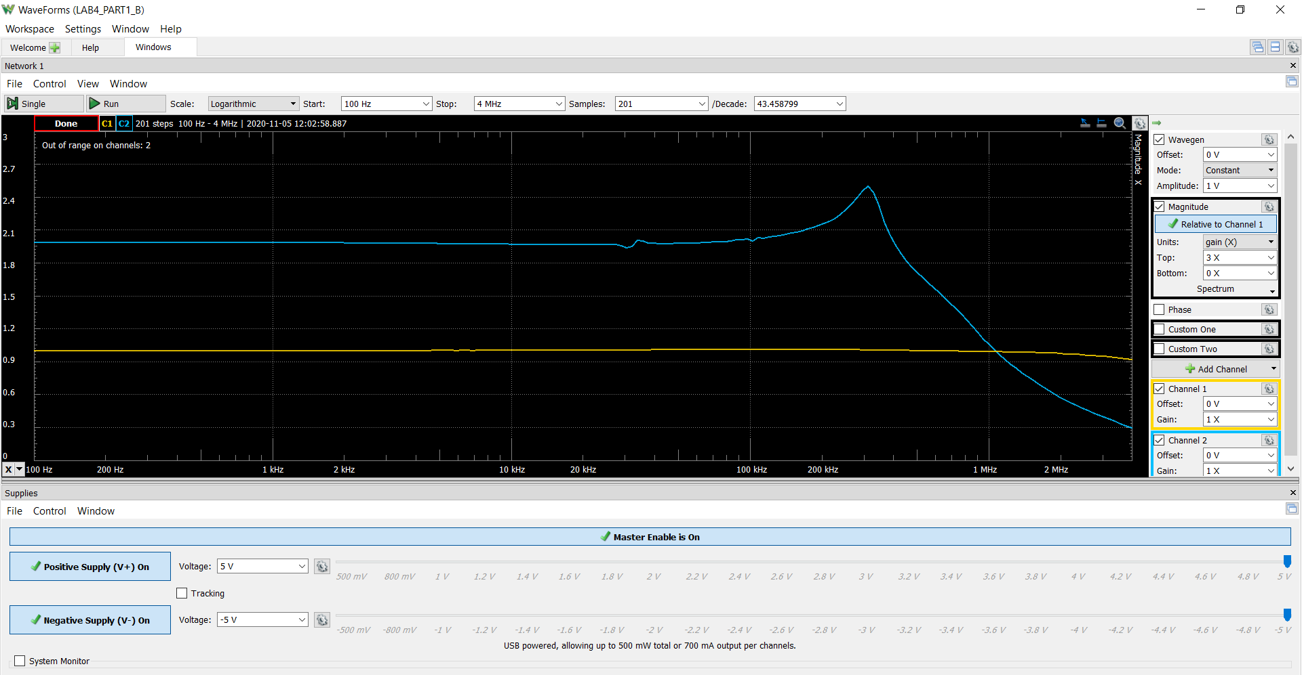
119.53692206 | 1.0014932818 | 2.0058663579 | 0.0139877792
126.02867437 | 1.0015477538 | 2.0058029269 | 0.014826352274
132.87297756 | 1.0014917861 | 2.0059129189 | 0.015769648686
140.0889778 | 1.001489758 | 2.0059169925 | 0.016870660339
147.69686103 | 1.0014861393 | 2.0059122319 | 0.016497599417
155.71790944 | 1.0014912512 | 2.0059055837 | 0.01869493158
164.17456099 | 1.0014882059 | 2.0059653682 | 0.017990317685
173.09047221 | 1.0014536569 | 2.0059040341 | 0.016174318359
182.49058435 | 1.0014956905 | 2.0059670047 | 0.024390196614
192.40119315 | 1.0014886121 | 2.0058432959 | 0.024143031569
202.85002242 | 1.0014555891 | 2.0058850339 | 0.023185159949
213.86630156 | 1.0014473883 | 2.0058465421 | 0.023671246681
225.48084736 | 1.0014588137 | 2.0058504822 | 0.026166922747
237.72615019 | 1.0014469358 | 2.0059034572 | 0.027050695604
250.63646491 | 1.001441955 | 2.0058823119 | 0.027968532246
264.24790663 | 1.0014727469 | 2.0059050098 | 0.030829147454
278.59855184 | 1.0014707934 | 2.0058438013 | 0.030949204407
293.72854482 | 1.0014738509 | 2.0059064309 | 0.033459320336
309.68021 | 1.0014934904 | 2.0059448999 | 0.035198373271
326.49817037 | 1.001425924 | 2.0059420016 | 0.036670637959
344.22947224 | 1.0014589232 | 2.00588961 | 0.038696950884
362.92371693 | 1.001466352 | 2.0058766297 | 0.040713659368
382.63319945 | 1.0014315336 | 2.0059077941 | 0.042650320438
403.41305485 | 1.0015092417 | 2.0058576039 | 0.045036236179
425.3214124 | 1.0014153171 | 2.0059070315 | 0.049076295362
448.41955824 | 1.001432849 | 2.0059018695 | 0.0508274642
472.77210682 | 1.0013900665 | 2.0059430774 | 0.053674230227
498.44718161 | 1.0014321314 | 2.0059449696 | 0.055087710399
525.51660573 | 1.0014052688 | 2.005942871 | 0.060470347694
554.0561028 | 1.0014441461 | 2.0058827404 | 0.062796750512
584.14550883 | 1.0014329557 | 2.0059351684 | 0.064162688177
615.8689955 | 1.0014145548 | 2.0059965732 | 0.069206446882
649.31530566 | 1.0014234085 | 2.0059306018 | 0.073505089808
684.57800158 | 1.0014190335 | 2.005992396 | 0.076233763588
721.75572661 | 1.0014452427 | 2.0059620758 | 0.081286802049
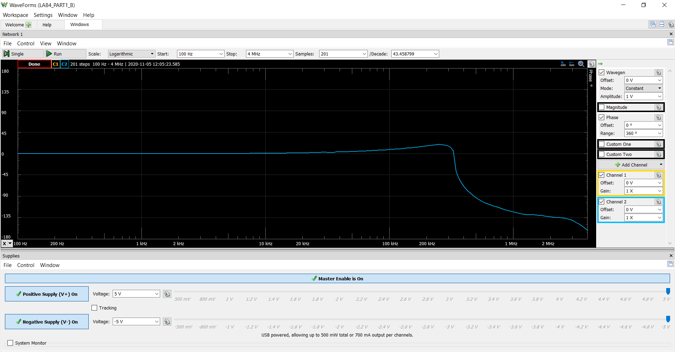
760.95248124 | 1.0013839584 | 2.0059153351 | 0.085064707726
802.27791391 | 1.0013794455 | 2.0060133487 | 0.088829113807
845.84762784 | 1.0013463927 | 2.0059255382 | 0.093416777531
891.78350433 | 1.0013953561 | 2.0059439776 | 0.09772393554
940.21404379 | 1.0013000666 | 2.0059840418 | 0.10476561502
991.27472514 | 1.0013728551 | 2.0059527306 | 0.11077541094
1045.1083848 | 1.0012174223 | 2.0059433366 | 0.11448632784
1101.8656164 | 1.0012978813 | 2.0060266347 | 0.12328163759
1161.7051918 | 1.0012298476 | 2.0059987905 | 0.12858361557
1224.7945053 | 1.0011968981 | 2.0059702026 | 0.1370832586
1291.3100423 | 1.0012540808 | 2.0059856223 | 0.14329847391
1361.4378722 | 1.0012281655 | 2.0059744693 | 0.15051267803
1435.3741698 | 1.0012282017 | 2.0059965536 | 0.15981219564
1513.3257635 | 1.0012754018 | 2.005926173 | 0.1680260436
1595.5107139 | 1.0012292881 | 2.005972788 | 0.17812824629
1682.1589242 | 1.0013113271 | 2.0058956717 | 0.18723475104
1773.5127828 | 1.0011943976 | 2.0058602342 | 0.19774121322
1869.8278418 | 1.0011667156 | 2.0059147959 | 0.20970022195
1971.3735315 | 1.0011296773 | 2.0058712543 | 0.22111035062
2078.4339146 | 1.0010084876 | 2.0058409463 | 0.23363488235
2191.3084803 | 1.0010606144 | 2.0058175664 | 0.24307685218
2310.3129823 | 1.001038313 | 2.005923301 | 0.25969188615
2435.7803222 | 1.0010327866 | 2.005834822 | 0.27301897445
2568.0614806 | 1.001007101 | 2.0057668832 | 0.28813421639
2707.526499 | 1.001001001 | 2.0057537369 | 0.30581227027
2854.565515 | 1.0009845811 | 2.0057820762 | 0.32332159911
3009.5898534 | 1.0008234932 | 2.0058191525 | 0.33891676356
3173.0331773 | 1.0008487307 | 2.0057372178 | 0.35965476144
3345.3527008 | 1.000842152 | 2.0058173516 | 0.37820747563
3527.0304681 | 1.0008880394 | 2.0057711267 | 0.39698490138
3718.5747021 | 1.00084974 | 2.0057238677 | 0.42322672119
3920.5212261 | 1.0008596502 | 2.0057465692 | 0.44426413236
4133.4349625 | 1.0006900374 | 2.0057441609 | 0.470074032
4357.9115132 | 1.0007824229 | 2.0057070311 | 0.49522661968
4594.5788259 | 1.0007414255 | 2.0057999768 | 0.52477805464
4844.0989505 | 1.0007455309 | 2.005644363 | 0.55036887318
5107.1698912 | 1.0005928306 | 2.0057590835 | 0.58146270313
5384.527559 | 1.0004300957 | 2.0057143572 | 0.61411088382
...

Step 2.4
Vout vs Time Characteristics for R2 = 240 kΩ
0 | 1.2179892963E-06
0.0000001 | 1.2208610294E-06
0.0000002 | 1.2227200915E-06
0.0000004 | 1.224110047E-06
0.0000008 | 1.2189638348E-06
0.0000016 | 1.2123511877E-06
0.0000032 | 1.2173252675E-06
0.0000064 | 1.2100860756E-06
0.0000128 | 1.2088832341E-06
0.0000256 | 1.2099317928E-06
0.0000456 | 1.2300663641E-06
0.0000656 | 1.2157593097E-06
0.0000856 | 1.1972081689E-06
0.0001056 | 1.2250981888E-06
0.0001256 | 1.2411068307E-06
0.0001456 | 1.1880201809E-06
0.0001656 | 1.1945195762E-06
0.0001856 | 1.2691719166E-06
0.0002056 | 1.220617845E-06
0.0002256 | 1.1336497524E-06
0.0002456 | 1.2535721948E-06
0.0002656 | 1.3201048988E-06
0.0002856 | 1.1037455525E-06
0.0003056 | 1.1204967097E-06
0.0003256 | 1.4355242071E-06
0.0003456 | 1.2431290726E-06
0.0003656 | 8.7079197092E-07
0.0003856 | 1.3616786136E-06
0.0004056 | 1.6558201626E-06
0.0004256 | 7.6319392651E-07
0.0004456 | 7.9621751358E-07
0.0004656 | 2.123561965E-06
0.0004856 | 1.3592245825E-06
0.0005056 | -2.2261635772E-07
0.0005256 | 1.7697406484E-06
0.0005456 | 3.0841688146E-06
0.0005656 | -6.1909519222E-07
0.0005856 | -6.0626888265E-07
0.0006056 | 4.9485831221E-06
0.0006256 | 1.9580319379E-06
0.0006456 | -4.7941066067E-06
0.0006656 | 3.3234063424E-06
0.0006856 | 9.1185125754E-06
0.0007056 | -6.1825534381E-06
0.0007256 | -6.7006840895E-06
0.0007456 | 1.6581028371E-05
0.0007656 | 4.881408937E-06
0.00078470209757 | -2.3906204198E-05
0.0007999780392 | -6.1347007255E-07
0.0008141094058 | 3.858345446E-05
...
Time | v(vout)
Seconds | Volts
0 | 1.2179892963E-06
0.0000001 | 1.2208610294E-06
0.0000002 | 1.2227200915E-06
0.0000004 | 1.224110047E-06
0.0000008 | 1.2189638348E-06
0.0000016 | 1.2123511877E-06
0.0000032 | 1.2173252675E-06
0.0000064 | 1.2100860756E-06
0.0000128 | 1.2088832341E-06
0.0000256 | 1.2099317928E-06
0.0000456 | 1.2300663641E-06
0.0000656 | 1.2157593097E-06
0.0000856 | 1.1972081689E-06
0.0001056 | 1.2250981888E-06
0.0001256 | 1.2411068307E-06
0.0001456 | 1.1880201809E-06
0.0001656 | 1.1945195762E-06
0.0001856 | 1.2691719166E-06
0.0002056 | 1.220617845E-06
0.0002256 | 1.1336497524E-06
0.0002456 | 1.2535721948E-06
0.0002656 | 1.3201048988E-06
0.0002856 | 1.1037455525E-06
0.0003056 | 1.1204967097E-06
0.0003256 | 1.4355242071E-06
0.0003456 | 1.2431290726E-06
0.0003656 | 8.7079197092E-07
0.0003856 | 1.3616786136E-06
0.0004056 | 1.6558201626E-06
0.0004256 | 7.6319392651E-07
0.0004456 | 7.9621751358E-07
0.0004656 | 2.123561965E-06
0.0004856 | 1.3592245825E-06
0.0005056 | -2.2261635772E-07
0.0005256 | 1.7697406484E-06
0.0005456 | 3.0841688146E-06
0.0005656 | -6.1909519222E-07
0.0005856 | -6.0626888265E-07
0.0006056 | 4.9485831221E-06
0.0006256 | 1.9580319379E-06
...

Step 2.6
Vout vs Time Characteristics for R3 = R4 = 4.02 kΩ
0 | 1.2352177981E-06
0.0000001 | 1.2376750232E-06
0.0000002 | 1.2390342516E-06
0.0000004 | 1.239448856E-06
0.0000008 | 1.2328183682E-06
0.0000016 | 1.2228508672E-06
0.0000032 | 1.2202918379E-06
0.0000064 | 1.2054908639E-06
0.0000128 | 1.2212014893E-06
0.0000256 | 1.2659971362E-06
0.0000456 | 1.1947067383E-06
0.0000656 | 1.2448051889E-06
0.0000856 | 1.2537154431E-06
0.0001056 | 1.1702322327E-06
0.0001256 | 1.3046263221E-06
0.0001456 | 1.1816534965E-06
0.0001656 | 1.2160178817E-06
0.0001856 | 1.3213889829E-06
0.0002056 | 1.0907326359E-06
0.0002256 | 1.3525863365E-06
0.0002456 | 1.20467336E-06
0.0002656 | 1.1113846891E-06
0.0002856 | 1.4731654017E-06
0.0003056 | 9.6641588898E-07
0.0003256 | 1.3653453721E-06
0.0003456 | 1.3501826049E-06
0.0003656 | 8.3908710969E-07
0.0003856 | 1.754322361E-06
0.0004056 | 8.4032707258E-07
0.0004256 | 1.2083205176E-06
0.0004456 | 1.7936922577E-06
0.0004656 | 2.7550665074E-07
0.0004856 | 2.1423401936E-06
0.0005056 | 9.2103469229E-07
0.0005256 | 5.4393514767E-07
0.0005456 | 2.8482932086E-06
0.0005656 | -6.7619377733E-07
0.0005856 | 2.3889246395E-06
0.0006056 | 1.7693567328E-06
0.0006256 | -1.2706804286E-06
0.0006456 | 4.8796602941E-06
0.0006656 | -1.7862857154E-06
0.0006856 | 1.5957959033E-06
0.0007056 | 4.6518205209E-06
0.0007256 | -5.2465431758E-06
0.0007456 | 7.9563394821E-06
0.0007656 | -1.8186074888E-06
0.0007856 | -2.4870620647E-06
0.0008034932641 | 1.2376057209E-05
0.00082082839361 | -1.1916186064E-05
...
Time | v(vout)
Seconds | Volts
0 | 1.2352177981E-06
0.0000001 | 1.2376750232E-06
0.0000002 | 1.2390342516E-06
0.0000004 | 1.239448856E-06
0.0000008 | 1.2328183682E-06
0.0000016 | 1.2228508672E-06
0.0000032 | 1.2202918379E-06
0.0000064 | 1.2054908639E-06
0.0000128 | 1.2212014893E-06
0.0000256 | 1.2659971362E-06
0.0000456 | 1.1947067383E-06
0.0000656 | 1.2448051889E-06
0.0000856 | 1.2537154431E-06
0.0001056 | 1.1702322327E-06
0.0001256 | 1.3046263221E-06
0.0001456 | 1.1816534965E-06
0.0001656 | 1.2160178817E-06
0.0001856 | 1.3213889829E-06
0.0002056 | 1.0907326359E-06
0.0002256 | 1.3525863365E-06
0.0002456 | 1.20467336E-06
0.0002656 | 1.1113846891E-06
0.0002856 | 1.4731654017E-06
0.0003056 | 9.6641588898E-07
0.0003256 | 1.3653453721E-06
0.0003456 | 1.3501826049E-06
0.0003656 | 8.3908710969E-07
0.0003856 | 1.754322361E-06
0.0004056 | 8.4032707258E-07
0.0004256 | 1.2083205176E-06
0.0004456 | 1.7936922577E-06
0.0004656 | 2.7550665074E-07
0.0004856 | 2.1423401936E-06
0.0005056 | 9.2103469229E-07
0.0005256 | 5.4393514767E-07
0.0005456 | 2.8482932086E-06
0.0005656 | -6.7619377733E-07
0.0005856 | 2.3889246395E-06
0.0006056 | 1.7693567328E-06
0.0006256 | -1.2706804286E-06
...

Step 2.9
Time (s) | Channel 1 (V) | C1 | Frequency | ﻿ 11.641 kHz
-0.0010109934211 | 5.0855035333 | C1 | Period | 85.901 us
-0.0010107434211 | 5.0855035333 | C1 | Amplitude | 5.0777 V
-0.0010104934211 | 5.089195081 | C1 | Maximum | 5.1003 V
-0.0010102434211 | 5.0855035333 | C1 | Minimum | -5.08471
-0.0010099934211 | 5.0855035333
-0.0010097434211 | 5.0855035333
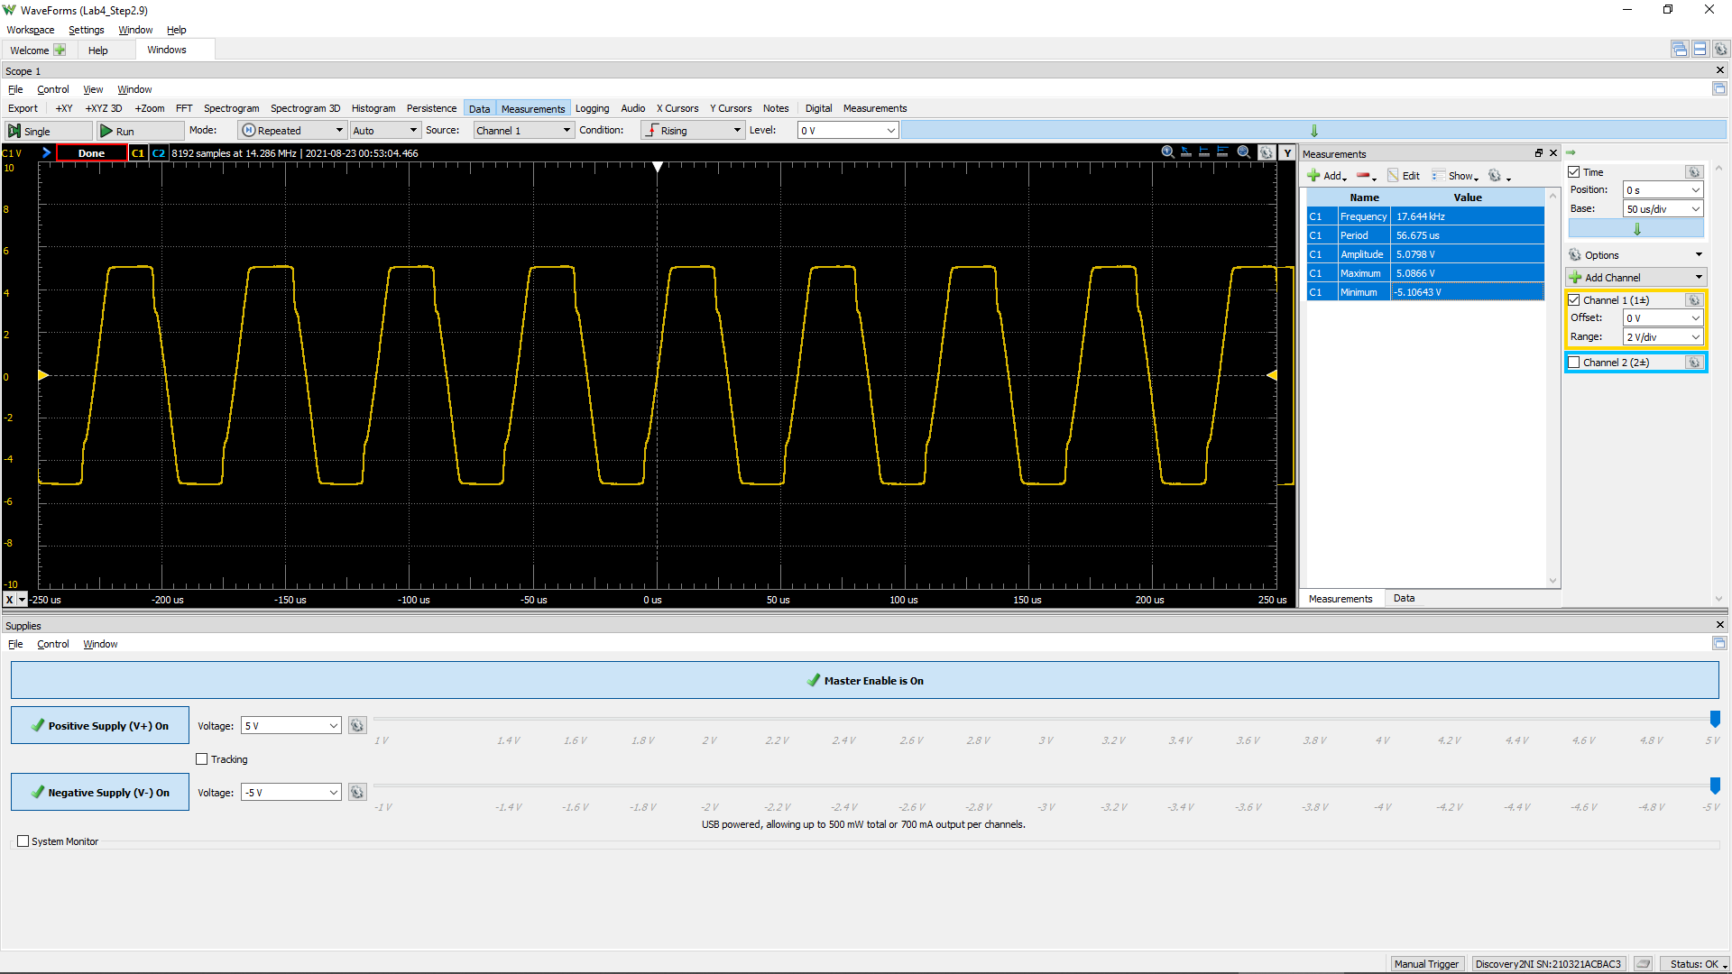
-0.0010094934211 | 5.0818119857
-0.0010092434211 | 5.078120438
-0.0010089934211 | 5.0818119857
-0.0010087434211 | 5.0855035333
-0.0010084934211 | 5.0818119857
-0.0010082434211 | 5.089195081
-0.0010079934211 | 5.0928866287
-0.0010077434211 | 5.0928866287
-0.0010074934211 | 5.0928866287
-0.0010072434211 | 5.089195081
-0.0010069934211 | 5.0928866287
-0.0010067434211 | 5.089195081
-0.0010064934211 | 5.0928866287
-0.0010062434211 | 5.0855035333
-0.0010059934211 | 5.0855035333
-0.0010057434211 | 5.0744288903
-0.0010054934211 | 5.0818119857
-0.0010052434211 | 5.078120438
-0.0010049934211 | 5.0818119857
-0.0010047434211 | 5.089195081
-0.0010044934211 | 5.089195081
-0.0010042434211 | 5.0928866287
-0.0010039934211 | 5.0928866287
-0.0010037434211 | 5.089195081
-0.0010034934211 | 5.089195081
-0.0010032434211 | 5.089195081
-0.0010029934211 | 5.0855035333
-0.0010027434211 | 5.0855035333
-0.0010024934211 | 5.089195081
-0.0010022434211 | 5.0855035333
-0.0010019934211 | 5.089195081
-0.0010017434211 | 5.0855035333
-0.0010014934211 | 5.089195081
-0.0010012434211 | 5.0855035333
-0.0010009934211 | 5.089195081
-0.0010007434211 | 5.089195081
-0.0010004934211 | 5.0855035333
-0.0010002434211 | 5.0855035333
-0.00099999342105 | 5.089195081
-0.00099974342105 | 5.0818119857
-0.00099949342105 | 5.0818119857
-0.00099924342105 | 5.0670457949
-0.00099899342105 | 5.0670457949
-0.00099874342105 | 5.0559711518
-0.00099849342105 | 5.0485880564
-0.00099824342105 | 5.0485880564
-0.00099799342105 | 5.041204961
-0.00099774342105 | 5.0301303179
-0.00099749342105 | 5.0079810318
...

Step 2.10
Time (s) | Channel 1 (V) | C1 | Frequency | ﻿ 32.372 kHz
-0.00024979272727 | -4.9785248888 | C1 | Period | 30.891 us
-0.00024975272727 | -4.9675897523 | C1 | Amplitude | 5.0520 V
-0.00024971272727 | -4.9602996612 | C1 | Maximum | 5.0818 V
-0.00024967272727 | -4.9493645246 | C1 | Minimum | -5.08059 V
-0.00024963272727 | -4.938429388
-0.00024959272727 | -4.9274942514
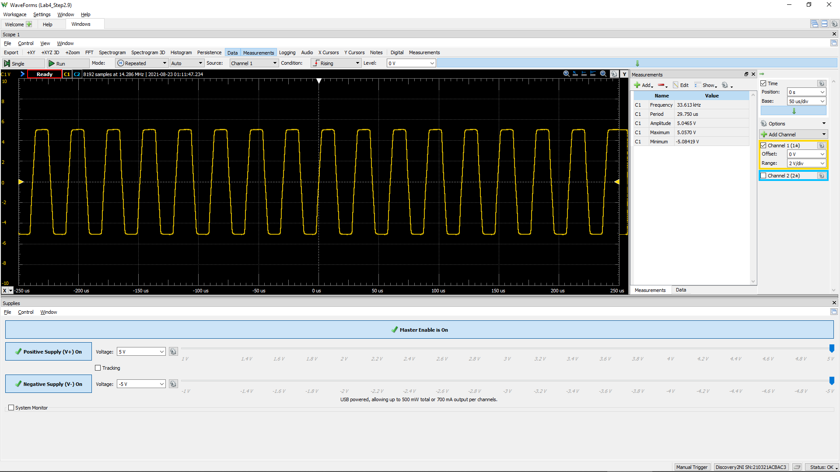
-0.00024955272727 | -4.9092690238
-0.00024951272727 | -4.8910437961
-0.00024947272727 | -4.8582383864
-0.00024943272727 | -4.8217879311
-0.00024939272727 | -4.7853374758
-0.00024935272727 | -4.7015014286
-0.00024931272727 | -4.6140203359
-0.00024927272727 | -4.511959061
-0.00024923272727 | -4.3989626496
-0.00024919272727 | -4.2823211926
-0.00024915272727 | -4.1729698268
-0.00024911272727 | -4.0636184609
-0.00024907272727 | -3.9652022316
-0.00024903272727 | -3.8485607746
-0.00024899272727 | -3.7464994998
-0.00024895272727 | -3.6407931794
-0.00024891272727 | -3.527796768
-0.00024887272727 | -3.4293805387
-0.00024883272727 | -3.3200291728
-0.00024879272727 | -3.2143228524
-0.00024875272727 | -3.1159066231
-0.00024871272727 | -3.0174903938
-0.00024867272727 | -2.9190741645
-0.00024863272727 | -2.8206579352
-0.00024859272727 | -2.7185966604
-0.00024855272727 | -2.6347606132
-0.00024851272727 | -2.5436344749
-0.00024847272727 | -2.4525083367
-0.00024843272727 | -2.365027244
-0.00024839272727 | -2.2921263334
-0.00024835272727 | -2.2046452407
-0.00024831272727 | -2.124454239
-0.00024827272727 | -2.0515533284
-0.00024823272727 | -1.9677172812
-0.00024819272727 | -1.9093965527
-0.00024815272727 | -1.8328505966
-0.00024811272727 | -1.7635947316
-0.00024807272727 | -1.697983912
-0.00024803272727 | -1.6433082291
-0.00024799272727 | -1.5704073185
-0.00024795272727 | -1.5047964989
-0.00024791272727 | -1.4391856794
-0.00024787272727 | -1.3626397233
-0.00024783272727 | -1.2970289037
Vout vs Time characteristics for R3=R4=4.02 KΩ
-0.00024979272727 | -4.9785248888
-0.00024975272727 | -4.9675897523
-0.00024971272727 | -4.9602996612
-0.00024967272727 | -4.9493645246
-0.00024963272727 | -4.938429388
-0.00024959272727 | -4.9274942514
-0.00024955272727 | -4.9092690238
-0.00024951272727 | -4.8910437961
-0.00024947272727 | -4.8582383864
-0.00024943272727 | -4.8217879311
-0.00024939272727 | -4.7853374758
-0.00024935272727 | -4.7015014286
-0.00024931272727 | -4.6140203359
-0.00024927272727 | -4.511959061
-0.00024923272727 | -4.3989626496
-0.00024919272727 | -4.2823211926
-0.00024915272727 | -4.1729698268
-0.00024911272727 | -4.0636184609
-0.00024907272727 | -3.9652022316
-0.00024903272727 | -3.8485607746
-0.00024899272727 | -3.7464994998
-0.00024895272727 | -3.6407931794
-0.00024891272727 | -3.527796768
-0.00024887272727 | -3.4293805387
-0.00024883272727 | -3.3200291728
-0.00024879272727 | -3.2143228524
-0.00024875272727 | -3.1159066231
-0.00024871272727 | -3.0174903938
-0.00024867272727 | -2.9190741645
-0.00024863272727 | -2.8206579352
-0.00024859272727 | -2.7185966604
-0.00024855272727 | -2.6347606132
-0.00024851272727 | -2.5436344749
-0.00024847272727 | -2.4525083367
-0.00024843272727 | -2.365027244
-0.00024839272727 | -2.2921263334
-0.00024835272727 | -2.2046452407
-0.00024831272727 | -2.124454239
-0.00024827272727 | -2.0515533284
-0.00024823272727 | -1.9677172812
-0.00024819272727 | -1.9093965527
-0.00024815272727 | -1.8328505966
-0.00024811272727 | -1.7635947316
-0.00024807272727 | -1.697983912
-0.00024803272727 | -1.6433082291
-0.00024799272727 | -1.5704073185
-0.00024795272727 | -1.5047964989
-0.00024791272727 | -1.4391856794
-0.00024787272727 | -1.3626397233
-0.00024783272727 | -1.2970289037
...
-0.00024779272727 | -1.2277730387
-0.00024775272727 | -1.147582037
-0.00024771272727 | -1.0819712175
-0.00024767272727 | -1.0127153524
-0.00024763272727 | -0.93616939629
-0.00024759272727 | -0.85962344016
-0.00024755272727 | -0.7903675751
-0.00024751272727 | -0.72111171003
-0.00024747272727 | -0.64821079944
-0.00024743272727 | -0.57166484331
-0.00024739272727 | -0.50240897824
-0.00024735272727 | -0.42221797659
-0.00024731272727 | -0.3383819294
-0.00024727272727 | -0.28370624646
-0.00024723272727 | -0.20716029033
-0.00024719272727 | -0.12332424314
-0.00024715272727 | -0.043133241489
-0.00024711272727 | 0.040702805696
-0.00024707272727 | 0.11724876182
-0.00024703272727 | 0.2120199456
-0.00024699272727 | 0.28856590172
-0.00024695272727 | 0.37240194891
-0.00024691272727 | 0.44894790503
-0.00024687272727 | 0.54007404328
-0.00024683272727 | 0.62391009046
-0.00024679272727 | 0.70774613765
-0.00024675272727 | 0.79158218484
...

